Sheet1
开顶 | TP4 |  |  |  | TP6 |  |  |  | TP7 |  |  |  | TP8 |  |  |  | TP9 |  |  |  | TP10 |  |  |  | TP11 |  |  |  | TP12 |  |  |  | TP13 |  |  |  | TP14 |  |  |  | TP15 |  |  |  | TP18 |  |  |  | TP19 |  |  |  | TP20 |  |  |  | TP21 |  |  |  | TP22 |  |  |  |  | TP25 |  |  |  | TP26 |  |  |  | TP27 |  |  |  | TP28 |  |  |  | TP29
观测日期 | ΔX | ΔY | ΔH | S | ΔX | ΔY | ΔH | S | ΔX | ΔY | ΔH | S | ΔX | ΔY | ΔH | S | ΔX | ΔY | ΔH | S | ΔX | ΔY | ΔH | S | ΔX | ΔY | ΔH | S | ΔX | ΔY | ΔH | S | ΔX | ΔY | ΔH | S | ΔX | ΔY | ΔH | S | ΔX | ΔY | ΔH | S | ΔX | ΔY | ΔH | S | ΔX | ΔY | ΔH | S | ΔX | ΔY | ΔH | S | ΔX | ΔY | ΔH | S | ΔX | ΔY | ΔH | S |  | ΔX | ΔY | ΔH | S | ΔX | ΔY | ΔH | S | ΔX | ΔY | ΔH | S | ΔX | ΔY | ΔH | S | ΔX | ΔY | ΔH | S
...
2020-01-14 | 514 | 2397.5 | 2289.1 | 3354.4270837 | 3.9 | 14.2 | 2.1 | 14.874810923 | -13.6 | -7.1 | 1.1 | 15.381157304 | 313.1 | 2555.2 | 2133.6 | 3343.5501507 | -25.7 | 5.5 | 12.2 | 28.975506898 | -12.6 | -1.1000000002 | -11.4 | 17.027330971 | -124.6 | 2267.6 | 2460 | 3348.0046177 | -12.1 | -8.6000000001 | -0.59999999985 | 14.856984889 | 213.7 | 3325.8 | 2032.4 | 3903.4937031 | 672.9 | 2115 | 2040.6 | 3014.9739253 | -430.7 | 5038.5 | 6176.3 | 7982.3972859 | 883.7 | 4299.7 | 4154.3 | 6043.7202343 | 545.4 | 3007.4 | 2986.6 | 4273.3705058 | 840.8 | 2395.2 | 2650.6 | 3670.0964619 | -17.599999999 | 13.6 | 4.7999999999 | 22.754340245 | -6.2999999991 | 4.0999999999 | 7.2 | 10.408650248 | 2020-01-14 | 8.0999999991 | 8.6000000001 | 19.8 | 23.056669317 | 11.1 | 15.8 | 23.4 | 30.338259673 | -1.5000000003 | 0.5000000001 | 5.6 | 5.8189346104 | 4.1000000001 | 56.4 | 52.7 | 77.298512276 | 1.4999999985 | 60.1 | 56.2 | 82.296415475
2020-01-15 | 512.9 | 2396.8 | 2290.9 | 3354.9872518 | 2.4 | 12.8 | 3.3 | 13.434656676 | -14.5 | -4.9 | -0.3 | 15.308494375 | 311.8 | 2555.9 | 2136.4 | 3345.7508888 | -26.900000001 | 6.0999999998 | 12.1 | 30.120258964 | -13.300000001 | -1.5000000001 | -10.5 | 17.011466721 | -126 | 2267.7 | 2461.4 | 3349.1535125 | -13.4 | -9 | 0.70000000005 | 16.157041808 | 212.3 | 3326.2 | 2032.3 | 3903.7060622 | 671.6 | 2113.5 | 2041.7 | 3014.3768344 | -432.6 | 5037.8 | 6179 | 7984.1475813 | 882.9 | 4300.4 | 4156.4 | 6045.5449324 | 543.5 | 3004.4 | 2989.1 | 4272.7661321 | 839.5 | 2393.9 | 2652.1 | 3670.0343146 | -18.899999999 | 12.9 | 6.6999999999 | 23.843447737 | -8.2000000002 | 0.9 | 9.1 | 12.282507887 | 2020-01-15 | 8.7999999996 | 7.2 | 20.7 | 23.617154782 | 11.299999998 | 15.5 | 23.3 | 30.179960238 | -1.9000000011 | -0.80000000003 | 5.6 | 5.9674114995 | 6.6000000006 | 56.9 | 53.1 | 78.107490038 | 4.7999999988 | 56.9 | 55.5 | 79.629768303
2020-01-16 | 514.1 | 2397 | 2288.3 | 3353.5391305 | 3.8 | 12.3 | -1.3 | 12.939088067 | -13.2 | -5.1 | -1.9 | 14.277955037 | 313.2 | 2556.2 | 2133.4 | 3344.1962024 | -25.500000002 | 6.2 | 9.2999999999 | 27.842054523 | -12.4 | -0.80000000003 | -10.9 | 16.529065309 | -126.4 | 2267.4 | 2460.4 | 3348.2305596 | -14.1 | -10.5 | -1.2999999999 | 17.628102564 | 212.9 | 3327.3 | 2030.9 | 3903.9475547 | 672.3 | 2113.1 | 2040.1 | 3013.1689149 | -431.9 | 5038.6 | 6177.4 | 7983.3763741 | 882.4 | 4298.5 | 4154.1 | 6042.5391037 | 544.7 | 3005.1 | 2984.9 | 4270.4744596 | 840.2 | 2392.2 | 2651.8 | 3668.8690519 | -19.3 | 10.2 | 4.4 | 22.268587741 | -7.599999999 | -1.1999999999 | 7.3 | 10.606130302 | 2020-01-16 | 7.3999999986 | 7.3000000002 | 20.4 | 22.895632771 | 11.799999998 | 13.4 | 24.1 | 29.993499295 | -2.0000000004 | -0.49999999987 | 4.7999999999 | 5.2239831547 | 7.4000000004 | 57.7 | 51.4 | 77.627379191 | 2.0999999997 | 57.4 | 56.6 | 80.639506447
2020-01-17 | 513.4 | 2396.5 | 2287.7 | 3352.6650742 | 2.9 | 12.2 | 0.7 | 12.559458587 | -14.1 | -6.8 | -3.5 | 16.040573556 | 312.5 | 2556 | 2133.9 | 3344.2968558 | -27.100000001 | 1.4999999999 | 10.8 | 29.211299185 | -12.8 | -0.70000000005 | -11.4 | 17.154882687 | -128.4 | 2266.3 | 2460.9 | 3347.929369 | -17 | -11.6 | 0.1000000002 | 20.58081631 | 213.6 | 3329.9 | 2031.6 | 3906.5659511 | 671.3 | 2112.1 | 2040.9 | 3012.7865689 | -435.2 | 5036.1 | 6179.2 | 7983.3711482 | 880.7 | 4298.7 | 4153.8 | 6042.2271242 | 544 | 3006.5 | 2986.9 | 4272.768407 | 838.9 | 2391.7 | 2653 | 3669.1131217 | -20.9 | 10.6 | 6.7999999999 | 24.401024568 | -8.4000000006 | 1.2999999999 | 7.6999999999 | 11.469088892 | 2020-01-17 | 7.2999999993 | 7.1000000003 | 20.3 | 22.711010545 | 11.399999999 | 13.2 | 23.9 | 29.587328369 | -2.3000000001 | -0.70000000005 | 4.7999999999 | 5.3684262126 | 6.4000000002 | 55.9 | 52 | 76.61442423 | 1.0999999995 | 55.5 | 57 | 79.564187924
2020-01-18 | 513.2 | 2399.9 | 2290 | 3356.6343635 | 3.0 | 13.2 | -1.9 | 13.669308687 | -14.4 | -6.5 | -2.1 | 15.938004896 | 312.8 | 2556.7 | 2133.2 | 3344.413397 | -27.300000002 | 3.2999999999 | 10.2 | 29.329507328 | -12.500000001 | -1.1 | -12.2 | 17.501428514 | -127.8 | 2268.4 | 2462.7 | 3350.6510845 | -15.100000001 | -13.9 | -0.70000000005 | 20.535578882 | 212.8 | 3329.6 | 2032 | 3906.4746255 | 672.4 | 2113.5 | 2041.2 | 3014.2165566 | -433.3 | 5037.7 | 6180.3 | 7985.1285694 | 882.3 | 4301.4 | 4155.9 | 6045.8250107 | 544.5 | 3007.6 | 2988 | 4274.3750432 | 840.4 | 2392 | 2652.8 | 3669.5073239 | -21.6 | 8 | 5.0999999999 | 23.591735841 | -7.6000000008 | -0.70000000005 | 6.8999999999 | 10.288828894 | 2020-01-18 | 7.9999999998 | 5.2000000001 | 19.9 | 22.06920932 | 11.6 | 12.5 | 22.2 | 27.993749302 | -1.3000000017 | -1.7 | 4.1999999999 | 4.7138095001 | 5.4 | 55.6 | 52.9 | 76.934582601 | 1.5999999996 | 55.5 | 57.3 | 79.787843685
2020-01-19 | 512.2 | 2400 | 2291.4 | 3357.5084214 | 3.2 | 13.8 | -2.6 | 14.40277751 | -15.0 | -7.0 | -1.1 | 16.589454483 | 312 | 2557.6 | 2134.4 | 3345.7921513 | -26.900000001 | 5.3 | 8.4999999999 | 28.70452926 | -12.700000001 | -1.2000000002 | -11.9 | 17.445343219 | -126.5 | 2270.5 | 2464.7 | 3353.4934904 | -15.800000001 | -14.8 | -0.99999999975 | 21.672101883 | 212.6 | 3330 | 2033.8 | 3907.741189 | 672 | 2115.1 | 2043.2 | 3016.6037609 | -433.4 | 5038.6 | 6181.7 | 7986.7853615 | 885.3 | 4303.1 | 4156.8 | 6048.0915949 | 544 | 3005.2 | 2990.1 | 4274.0918392 | 838.8 | 2391.9 | 2654.1 | 3670.0160572 | -22.199999999 | 7.2 | 4.6 | 23.787391618 | -9.6000000012 | -3.2000000001 | 6.5 | 12.02705284 | 2020-01-19 | 8.3999999988 | 5.4 | 20 | 22.354417907 | 11.9 | 12.9 | 22.300000001 | 28.377984425 | 0.59999999758 | -1.1 | 3.9999999999 | 4.1916583826 | 5.9999999994 | 55.5 | 53.7 | 77.459279625 | 0.7999999998 | 56 | 57.999999998 | 80.626546496
2020-01-20 | 514.2 | 2399.5 | 2289.5 | 3356.1603269 | 3.8 | 14.0 | -4.1 | 15.074813432 | -14.1 | -6.8 | -1.2 | 15.7 | 313.3 | 2560 | 2135.4 | 3348.3861859 | -25.800000001 | 6.9999999998 | 7.4 | 27.738060496 | -12.9 | -1.3000000001 | -11.7 | 17.463962895 | -124.4 | 2272.8 | 2463.7 | 3354.2380491 | -17.899999999 | -14.6 | -1.6999999998 | 23.161606161 | 212.1 | 3329.9 | 2033.9 | 3907.6808506 | 672.9 | 2116.2 | 2045.1 | 3018.8625109 | -433 | 5040.7 | 6182.8 | 7988.9399378 | 883.9 | 4303.8 | 4158.9 | 6049.8283331 | 544.1 | 3005 | 2990.6 | 4274.313766 | 839.9 | 2391.8 | 2654.3 | 3670.3470871 | -22.299999999 | 5.2000000001 | 3.4000000001 | 23.149298044 | -9.0999999993 | -5.3 | 6.6999999999 | 12.481586437 | 2020-01-20 | 9.1999999986 | 6.4000000002 | 19.6 | 22.577865266 | 12.199999999 | 13.8 | 22.6 | 29.15544546 | -0.2000000004 | -0.99999999998 | 3.7 | 3.8379682125 | 5.4 | 54.6 | 55.2 | 77.829043422 | 0.7999999998 | 56.3 | 59.5 | 81.918129861
2020-01-21 | 513.6 | 2401.1 | 2293.2 | 3359.7369555 | 2.7 | 14.5 | 2.8 | 15.012661323 | -14.3 | -2.6 | 2.4 | 14.731259282 | 312.3 | 2559.1 | 2138.2 | 3349.391488 | -26.7 | 6.9999999998 | 11.3 | 29.825827734 | -12.499999999 | -0.1000000002 | -10.5 | 16.325133995 | -124.7 | 2273.6 | 2466.3 | 3356.7011693 | -17.099999999 | -12.3 | -1.1 | 21.092889797 | 210.5 | 3329.2 | 2037.1 | 3908.6646441 | 672.6 | 2116.7 | 2045.6 | 3019.4848915 | -437.4 | 5036.2 | 6184.6 | 7987.7347452 | 881.8 | 4302.1 | 4160.3 | 6049.275307 | 544.9 | 3010.8 | 2993.3 | 4280.3828731 | 839.7 | 2394.8 | 2654.7 | 3672.5461495 | -23.299999999 | 4.7 | 6.1000000001 | 24.539559897 | -8.8999999989 | -1.9 | 9.2999999999 | 13.011917613 | 2020-01-21 | 9.5000000001 | 7.4 | 18.8 | 22.325993819 | 10.699999999 | 15.9 | 22.1 | 29.252521258 | 0.099999999293 | -1.1999999999 | 3.7 | 3.8910152916 | 5.9999999994 | 59.3 | 54.2 | 80.561343087 | -0.40000000081 | 61.9 | 60 | 86.207714272
2020-01-22 | 513.7 | 2399.4 | 2293 | 3358.4009662 | 3.3 | 11.2 | 0.1 | 11.67647207 | -14.1 | -5.9 | 0.9 | 15.31110708 | 312.5 | 2559.3 | 2136 | 3348.1590076 | -26.399999999 | 5.8999999999 | 8.1999999998 | 28.266764936 | -12.9 | -0.20000000018 | -11.6 | 17.349639765 | -126.7 | 2274.4 | 2465.5 | 3356.7303288 | -14.7 | -10.6 | -3.4000000001 | 18.439360075 | 210.7 | 3326.8 | 2036.6 | 3906.3707313 | 672.3 | 2116.8 | 2044.9 | 3019.0140013 | -437.1 | 5034.1 | 6186 | 7987.4786522 | 880.2 | 4303.5 | 4160.1 | 6049.9005198 | 544.8 | 3009.9 | 2993 | 4279.5273162 | 839.7 | 2393.1 | 2653.8 | 3670.7871281 | -24.799999999 | 5.8999999999 | 1.6000000003 | 25.542317827 | -8.6999999985 | -3.3999999998 | 7.1 | 11.732859838 | 2020-01-22 | 7.4999999997 | 8.0000000003 | 17.1 | 20.314034557 | 10.6 | 14.6 | 25.2 | 30.992902413 | -0.70000000233 | -3.5999999998 | 1.7 | 4.0422765865 | 5.6000000004 | 59.1 | 53.4 | 79.84816842 | -0.10000000111 | 62.1 | 59.7 | 86.142382135
2020-01-23 | 513.9 | 2398.9 | 2292.4 | 3357.6646914 | 2.8 | 13.6 | 0.4 | 13.891004283 | -14.1 | -6.7 | 0.2 | 15.612174737 | 313.2 | 2560.3 | 2135.9 | 3348.9250723 | -25.900000001 | 7.5999999999 | 8.8999999998 | 28.421470758 | -12.699999999 | -1.1000000002 | -12 | 17.507141399 | -125.8 | 2273 | 2466.3 | 3356.3358488 | -16.099999999 | -12.9 | -2.7999999998 | 20.819702207 | 211.8 | 3331.9 | 2036.5 | 3910.7223246 | 673.3 | 2118.3 | 2045.1 | 3020.4241076 | -434.7 | 5039.6 | 6186.2 | 7990.9700719 | 884 | 4305.3 | 4161 | 6052.3536818 | 545.5 | 3010.7 | 2991.8 | 4279.3401337 | 840.5 | 2394.7 | 2655 | 3672.8807958 | -22.199999999 | 5.8999999999 | 2.7 | 23.128769962 | -8.7999999996 | -4.1000000001 | 9.2999999999 | 13.44395775 | 2020-01-23 | 7.9999999998 | 7.2 | 19.1 | 21.923731434 | 10.699999999 | 15.6 | 21.8 | 28.863298494 | -1.8 | -1.1 | 2.8 | 3.5057096286 | 5.9000000001 | 60.5 | 54.6 | 81.70813913 | 0.099999999293 | 59.8 | 58.8 | 83.865904872
2020-01-24 | 515 | 2403.7 | 2292.5 | 3361.3323162 | 4.0 | 16.6 | 0.1 | 17.075420932 | -13.4 | -2.0 | -1.3 | 13.61065759 | 313.3 | 2561.5 | 2137.2 | 3350.6809726 | -25.900000001 | 7.6999999999 | 9.4999999999 | 28.64175274 | -12.3 | -0.40000000013 | -11.1 | 16.572869396 | -125.7 | 2274.2 | 2466.5 | 3357.2918223 | -17.399999999 | -14.1 | -1.6000000001 | 22.452839463 | 211.5 | 3332.3 | 2037.4 | 3911.5156014 | 673.7 | 2119 | 2045.5 | 3021.275052 | -435.4 | 5039.9 | 6186.4 | 7991.3522091 | 885.7 | 4309 | 4161.3 | 6055.4407916 | 546.4 | 3013.2 | 2993.7 | 4282.542106 | 841.1 | 2396.1 | 2655.3 | 3674.1478617 | -22.299999999 | 5.6 | 3.4000000001 | 23.242418117 | -7.7000000001 | -0.70000000005 | 7.5999999999 | 10.8415866 | 2020-01-24 | 9.6999999987 | 7.4 | 18.8 | 22.411827234 | 10.6 | 16 | 23 | 29.955967686 | -0.60000000121 | -1.2999999999 | 3.2000000001 | 3.5057096289 | 5.4999999993 | 60.9 | 55 | 82.243905549 | 2.3999999994 | 59.5 | 59.3 | 84.03868157
2020-01-25 | 514.3 | 2401.1 | 2291.3 | 3358.5475119 | 3.0 | 13.0 | -0.7 | 13.36001497 | -14.2 | -5.6 | -3.1 | 15.57594299 | 313.3 | 2561.6 | 2136.1 | 3350.0559189 | -26.300000001 | 6.4 | 8.6999999999 | 28.431320758 | -13.199999999 | -2.0000000002 | -11.5 | 17.620726432 | -127.5 | 2273 | 2467.2 | 3357.0613772 | -19.8 | -16 | -2 | 25.535073918 | 209.9 | 3331.2 | 2036.7 | 3910.1276629 | 673.4 | 2118.7 | 2045 | 3020.659241 | -437.3 | 5038.5 | 6186.6 | 7990.7279456 | 882.5 | 4304.4 | 4159.2 | 6050.25704 | 545.7 | 3012.3 | 2991.2 | 4280.0721045 | 839.5 | 2391.5 | 2655.5 | 3670.9280502 | -23.799999999 | 3.2999999999 | 3.6 | 24.295884424 | -10.3 | -8.3 | 6.6999999999 | 14.828014027 | 2020-01-25 | 8.7999999996 | 7.7000000001 | 19.2 | 22.480435939 | 11.299999998 | 15.6 | 22.9 | 29.924237667 | -2.2000000008 | -0.9 | 3.6 | 4.3139309224 | 4.6999999995 | 59.7 | 56.1 | 82.057236122 | 0.2999999997 | 59.8 | 58.1 | 83.377095176
2020-01-26 | 513.7 | 2402.3 | 2291.7 | 3359.5865624 | 1.9 | 15.4 | 1.7 | 15.609612423 | -15.3 | -1.2 | -3.5 | 15.741029192 | 312.9 | 2563 | 2135.3 | 3350.5792783 | -27.300000002 | 8.2 | 9.2 | 29.952796198 | -13.799999999 | -1.5000000003 | -10.6 | 17.465680633 | -128.3 | 2273 | 2468.5 | 3358.0473701 | -19.1 | -16.6 | -0.9 | 25.321532339 | 209.6 | 3330.7 | 2039.6 | 3911.197107 | 673.4 | 2118 | 2046.3 | 3021.0487004 | -437.7 | 5037.9 | 6188.7 | 7991.9975845 | 882.9 | 4302.4 | 4160.5 | 6049.7866425 | 545.8 | 3011.4 | 2992.5 | 4280.3602477 | 839.5 | 2390.7 | 2656.7 | 3671.2752049 | -25.299999999 | 5.0999999999 | 3.5 | 26.045153099 | -11.299999998 | -6.5 | 8.3 | 15.454125661 | 2020-01-26 | 7.9999999998 | 8.4000000002 | 19.6 | 22.775425353 | 13.099999998 | 16 | 22.7 | 30.706676798 | -2.5000000005 | -1.4000000001 | 3.3000000001 | 4.3703546771 | 4.6000000002 | 60.8 | 56.7 | 83.262776797 | -0.2999999997 | 57.5 | 57.7 | 81.459376379
2020-01-27 | 513.7 | 2400.7 | 2295.4 | 3360.9685122 | 1.9 | 10.2 | 2.3 | 10.627323275 | -14.4 | -5.1 | -2.4 | 15.463828763 | 312.7 | 2562 | 2139.8 | 3352.6660033 | -27.2 | 3.5 | 10.8 | 29.474226029 | -13.499999999 | -1.6000000001 | -11.1 | 17.550498568 | -126.7 | 2275.1 | 2469 | 3359.7758705 | -20.3 | -16.9 | -0.3999999999 | 26.417039955 | 212.7 | 3337.4 | 2038.5 | 3916.4987297 | 673.2 | 2119.9 | 2048.8 | 3024.0297105 | -437.4 | 5038.8 | 6190.7 | 7994.0972405 | 881.9 | 4302.8 | 4165 | 6053.0207707 | 544.3 | 3008.1 | 2997.7 | 4281.4872871 | 840 | 2394 | 2658.7 | 3674.9859442 | -24.799999999 | 2.0999999999 | 3.7 | 25.162273346 | -10.399999999 | -7.6000000001 | 10 | 16.307053688 | 2020-01-27 | 7.8999999987 | 6.0000000003 | 19.4 | 21.789217516 | 10.699999999 | 16.3 | 22.7 | 29.924404756 | -1.400000001 | -0.9 | 4.4 | 4.7042533949 | 6.1999999998 | 61.6 | 57.8 | 84.69852419 | 2.199999999 | 61.4 | 60.8 | 86.437491865
2020-01-28 | 514.1 | 2401.7 | 2295.2 | 3361.6074637 | 2.5 | 11.8 | 2.2 | 12.260913506 | -14.0 | -4.3 | -3.7 | 15.105628091 | 313 | 2562.9 | 2139.3 | 3353.0627641 | -26.900000001 | 4.8999999999 | 11.4 | 29.623976776 | -13.9 | -2.4000000001 | -11 | 17.887705275 | -126.8 | 2275.7 | 2468.5 | 3359.8185933 | -19.199999999 | -15.4 | -2.1000000002 | 24.702429029 | 212.5 | 3337.8 | 2038.1 | 3916.6205714 | 673.6 | 2120.2 | 2047 | 3023.1099881 | -436.1 | 5041.9 | 6189.6 | 7995.1289533 | 882.5 | 4304.8 | 4164 | 6053.8421924 | 544.3 | 3007.9 | 2997 | 4280.8566783 | 840.4 | 2395.2 | 2658.7 | 3675.8592043 | -24.599999999 | 1.4999999999 | 4.6 | 25.07129833 | -10.8 | -9.6000000001 | 9.2999999999 | 17.18400419 | 2020-01-28 | 9.0999999993 | 6.9000000003 | 19.8 | 22.857383927 | 11.199999999 | 15.6 | 22.5 | 29.581244057 | -1.0000000002 | -0.19999999995 | 2.9 | 3.0740852298 | 6.1999999998 | 62.5 | 57.4 | 85.084957543 | 1.3999999992 | 62.9 | 61.6 | 88.050724017
2020-01-29 | 514.6 | 2402.9 | 2295.3 | 3362.6096503 | 2.6 | 10.1 | 1.8 | 10.583477689 | -13.9 | -5.4 | -2.9 | 15.191444962 | 313.2 | 2562.6 | 2140.2 | 3353.4264626 | -26.7 | 4.1999999999 | 10.5 | 28.996206649 | -13.199999999 | -1.8 | -10.8 | 17.149927113 | -126.9 | 2275.8 | 2470.3 | 3361.2127782 | -19.6 | -15.5 | -2.5000000001 | 25.112944869 | 211.5 | 3336.6 | 2040.3 | 3916.6894056 | 673.9 | 2120.7 | 2049.1 | 3024.9496707 | -437.7 | 5039.5 | 6191.7 | 7995.3292884 | 884.5 | 4309 | 4165.2 | 6057.9462106 | 545.9 | 3012.6 | 2996.7 | 4284.1541125 | 840.4 | 2395 | 2659.7 | 3676.4522641 | -22.299999999 | 5.6999999999 | 5.6 | 23.688393781 | -9.8999999991 | -6.9000000001 | 9.8 | 15.545417331 | 2020-01-29 | 7.9999999998 | 7.3000000002 | 20.8 | 23.450586346 | 9.9999999984 | 14.3 | 22.5 | 28.473496448 | -0.7999999998 | -0.3999999999 | 4.2000000001 | 4.2941821108 | 4.8999999999 | 60.9 | 58 | 84.24262579 | 0.19999999859 | 60.4 | 62 | 86.557495343
2020-01-30 | 514.8 | 2405.5 | 2295.2 | 3364.4304615 | 2.9 | 14.1 | 3.0 | 14.704421104 | -13.5 | -1.2 | -3.6 | 14.023195072 | 313.7 | 2565.8 | 2138.7 | 3354.9627449 | -26.900000001 | 4.8999999999 | 10.4 | 29.253717713 | -12.9 | -0.9 | -11.7 | 17.438749955 | -126.3 | 2277.3 | 2470.4 | 3362.279456 | -18.099999999 | -14.2 | -3.0000000002 | 23.200215516 | 212.2 | 3338.7 | 2038.5 | 3917.5794542 | 674 | 2121.2 | 2048.3 | 3024.7807078 | -437 | 5041.4 | 6191.2 | 7996.1015751 | 883.9 | 4308.6 | 4164 | 6056.7490595 | 545.4 | 3011.9 | 2996.4 | 4283.3883469 | 840.2 | 2394.6 | 2661.1 | 3677.1590134 | -23.499999999 | 3.7 | 4.2000000001 | 24.157400522 | -10.1 | -7.4999999999 | 7.3 | 14.544758506 | 2020-01-30 | 9.0999999993 | 7.4 | 18.7 | 22.073966567 | 10.8 | 13.8 | 20.1 | 26.66627083 | -1.2999999999 | -0.70000000005 | 3.5 | 3.7986839826 | 5.8000000008 | 61.7 | 58.1 | 84.947866365 | 1.5999999996 | 64.7 | 60.9 | 88.867654408
2020-01-31 | 514.2 | 2406.7 | 2295.6 | 3365.4696388 | 1.8 | 16.5 | 5.4 | 17.454225849 | -14.6 | 3.2 | -4.0 | 15.47255635 | 313.3 | 2567.2 | 2137.9 | 3355.4864238 | -27.900000001 | 6.6999999999 | 10.9 | 30.693810452 | -13.499999999 | -0.40000000013 | -10.8 | 17.293062192 | -127.1 | 2277.3 | 2471.7 | 3363.2648706 | -17.399999999 | -14.8 | -1.9000000002 | 22.921823661 | 211.9 | 3338.2 | 2041.4 | 3918.6470637 | 674 | 2120.5 | 2049.6 | 3025.1704762 | -437.4 | 5040.8 | 6193.3 | 7997.3713363 | 884.3 | 4306.6 | 4165.3 | 6056.2789021 | 545.5 | 3011 | 2997.7 | 4283.6779221 | 840.2 | 2393.8 | 2662.3 | 3677.5067328 | -25 | 5.5 | 4.1000000001 | 25.924120043 | -11.099999998 | -5.6999999999 | 8.9 | 15.326773958 | 2020-01-31 | 8.2999999995 | 8.1 | 19.1 | 22.345245579 | 12.6 | 14.2 | 19.9 | 27.502908937 | -1.5999999996 | -1.2000000002 | 3.2000000001 | 3.7735924528 | 5.7000000015 | 62.8 | 58.7 | 86.151146249 | 1.0000000002 | 62.4 | 60.5 | 86.919560514
2020-02-01 | 515.3 | 2407.9 | 2296 | 3366.7688516 | 3.2 | 13.7 | -0.9 | 14.097517512 | -13.5 | -0.8 | -1.2 | 13.576818479 | 313.7 | 2567.9 | 2141.7 | 3358.4813517 | -25.800000001 | 11.2 | 9.5999999999 | 29.719353964 | -12.699999999 | -0.80000000003 | -12.3 | 17.698022488 | -124.6 | 2280 | 2471 | 3364.4860172 | -17.5 | -13.5 | -3.4999999998 | 22.377444001 | 212.9 | 3341 | 2040.2 | 3920.4621475 | 674.5 | 2123.1 | 2049 | 3026.6986735 | -435.5 | 5044.2 | 6192.9 | 7999.1014683 | 886.2 | 4313.1 | 4166.4 | 6061.9362427 | 546.3 | 3014.3 | 2995.4 | 4284.4917248 | 841.4 | 2398 | 2659.9 | 3678.7805004 | -22.799999999 | 5.4 | 2 | 23.515952031 | -9.2999999997 | -5.0000000001 | 7.2 | 12.780062597 | 2020-02-01 | 7.4999999997 | 7.2 | 18.2 | 20.960200381 | 11.1 | 16 | 21.1 | 28.712714953 | -1.8 | -0.80000000003 | 3.4000000001 | 3.9293765409 | 6.7999999992 | 63.7 | 58.8 | 86.956138369 | -0.5000000001 | 64.2 | 61.8 | 89.113018129
2020-02-02 | 515.3 | 2408.3 | 2296.5 | 3367.3959123 | 3.1 | 15.5 | -0.6 | 15.818343782 | -13.7 | -1.1 | -2.8 | 14.026403674 | 313.7 | 2566.9 | 2139.3 | 3356.1864951 | -26.2 | 10.5 | 8.6999999999 | 29.536079632 | -12.9 | -1.0000000002 | -11.5 | 17.310690338 | -126.3 | 2279.5 | 2471.6 | 3364.6513192 | -17 | -12.5 | -2.7999999998 | 21.285910833 | 211.4 | 3340.1 | 2041.9 | 3920.4991493 | 674.2 | 2123 | 2049.9 | 3027.1710639 | -438 | 5042 | 6194.3 | 7998.9349597 | 884.9 | 4311.6 | 4167.5 | 6061.4353762 | 546.9 | 3017.5 | 2999.4 | 4289.6160924 | 841.7 | 2401.1 | 2659.8 | 3680.798302 | -22.7 | 6.5999999999 | 3.4000000001 | 23.883257734 | -8.4000000006 | -0.5000000001 | 8 | 11.610770862 | 2020-02-02 | 8.7999999996 | 8.0000000003 | 18.5 | 21.992953417 | 10.6 | 16.1 | 22.7 | 29.780194761 | -0.2999999997 | -0.99999999998 | 3.5 | 3.6523964735 | 6.4999999995 | 63.7 | 58.5 | 86.730559782 | -0.2000000004 | 66.2 | 62.1 | 90.768331482
2020-02-03 | 514.4 | 2408.6 | 2296.3 | 3367.336486 | 2.4 | 15.2 | 0.4 | 15.393505124 | -14.4 | -1.2 | -3.4 | 14.844527611 | 313.4 | 2564.6 | 2141.9 | 3356.0584515 | -26.800000001 | 9.8 | 7.7999999999 | 29.582427217 | -13.499999999 | -2.3000000001 | -12.2 | 18.3406652 | -127.5 | 2277.9 | 2473.5 | 3365.0091991 | -16.599999999 | -13.2 | -1.6999999998 | 21.276512871 | 211.3 | 3340.3 | 2041.1 | 3920.2475674 | 674.5 | 2122.7 | 2050.2 | 3027.2306784 | -437 | 5042.8 | 6195.8 | 8000.5461364 | 884.9 | 4311.9 | 4165.6 | 6060.3426454 | 546.1 | 3013.8 | 2997.7 | 4285.7229192 | 841.4 | 2398.3 | 2662.8 | 3681.0733068 | -22.999999999 | 4.1999999999 | 5.1000000001 | 23.93010656 | -9.2000000004 | -4.7999999999 | 8.7999999998 | 13.605881082 | 2020-02-03 | 9.5999999994 | 7.0000000001 | 18.7 | 22.155134845 | 10.8 | 16.6 | 21.7 | 29.378393421 | -0.90000000091 | -0.9 | 2.9 | 3.1670175246 | 5.6999999997 | 62.7 | 59 | 86.283138562 | 1.8999999993 | 66.3 | 63.7 | 91.961894282
2020-02-04 | 515.1 | 2408.2 | 2296.6 | 3367.3619957 | 2.8 | 14.5 | 0.7 | 14.784451292 | -13.8 | -0.4 | -3.2 | 14.171802991 | 313.4 | 2568.1 | 2142.5 | 3359.1164642 | -26.5 | 7.4999999999 | 8.4999999999 | 28.822734083 | -12.8 | -1.0000000002 | -12.5 | 17.918984346 | -126.7 | 2279.9 | 2472.9 | 3365.8923497 | -18.199999999 | -14.3 | -2.3999999999 | 23.269937687 | 211.8 | 3342.1 | 2041.5 | 3922.0165604 | 674.5 | 2123.4 | 2050.3 | 3027.789276 | -439.2 | 5041.2 | 6196.1 | 7999.8905799 | 884.1 | 4310.5 | 4168 | 6060.8800566 | 546.4 | 3015.5 | 2998.7 | 4287.6561079 | 842.1 | 2402.8 | 2662.4 | 3683.877578 | -23.099999999 | 5.3 | 4.4 | 24.105186163 | -9.0999999993 | -2.6 | 8 | 12.392336341 | 2020-02-04 | 9.7999999998 | 7.4 | 18.4 | 22.121482771 | 11.699999999 | 16 | 21.7 | 29.390134399 | -1.400000001 | -0.9 | 3.4000000001 | 3.7854986466 | 7.2999999993 | 64.5 | 58.7 | 87.517026915 | 0.89999999909 | 67.3 | 62.9 | 92.122255726
2020-02-05 | 514.4 | 2408.7 | 2296 | 3367.2034465 | 1.9 | 14.6 | 2.7 | 14.968633872 | -14.7 | 1.3 | -4.8 | 15.518376203 | 312.7 | 2568.3 | 2143 | 3359.5230584 | -28.1 | 7.2 | 9.9999999998 | 30.683057214 | -13.200000001 | -1.1000000002 | -13 | 18.559364214 | -128.7 | 2281 | 2473.4 | 3367.0806717 | -21.099999998 | -13.2 | -0.99999999975 | 24.908833773 | 212.5 | 3339.5 | 2042.2 | 3920.2037371 | 673.5 | 2124.4 | 2051.1 | 3028.8098025 | -442.5 | 5043.7 | 6197.9 | 8003.0419435 | 882.4 | 4310.3 | 4167.7 | 6060.2837508 | 545.7 | 3014.1 | 3000.7 | 4287.9817852 | 840.8 | 2403.3 | 2663.6 | 3684.7741437 | -24.699999998 | 4.9000000001 | 6.7999999999 | 26.083328007 | -9.9000000009 | -5.0999999999 | 8.3999999999 | 13.949193526 | 2020-02-05 | 9.7000000005 | 7.5999999999 | 18.3 | 22.062184842 | 11.3 | 16.2 | 21.5 | 29.195547606 | -1.7000000007 | -0.69999999982 | 3.4000000001 | 3.8652296183 | 6.2999999991 | 66.3 | 59.3 | 89.173258323 | -0.10000000111 | 69.2 | 63.3 | 93.784540304
2020-02-06 | 516.1 | 2406.8 | 2297.1 | 3366.8551885 | 3.9 | 11.4 | -0.2 | 12.050311199 | -12.4 | -2.6 | -3.7 | 13.198863589 | 314.9 | 2568.8 | 2141.7 | 3359.2818191 | -25.2 | 6.7999999999 | 7.3 | 27.102951869 | -12.699999999 | -1.7 | -12.1 | 17.623563771 | -125.2 | 2281.3 | 2474.3 | 3367.8131213 | -16.899999999 | -13.6 | -3.9999999999 | 22.058331758 | 213.5 | 3344.9 | 2041.1 | 3924.2868741 | 676.3 | 2125.9 | 2050.7 | 3030.2150072 | -435.7 | 5045.8 | 6196.4 | 8002.8310672 | 886.3 | 4313.5 | 4167.9 | 6063.2664753 | 547.1 | 3014.2 | 2998.4 | 4286.6213514 | 842.7 | 2399.2 | 2664.8 | 3683.4037207 | -22.199999999 | 3.8 | 3.8999999999 | 22.85804016 | -8.5999999992 | -6.5 | 8.6999999999 | 13.852797551 | 2020-02-06 | 7.9999999998 | 6.0000000003 | 18.3 | 20.8540164 | 10.8 | 15.4 | 22.9 | 29.634608147 | -2.0999999997 | -1.1999999999 | 3.6 | 4.3370496883 | 9.5999999994 | 64.5 | 59.2 | 88.074116516 | 2.4999999987 | 67.9 | 65.2 | 94.168466059
2020-02-07 | 516.4 | 2409 | 2299.7 | 3370.2477728 | 4.2 | 14.3 | 1.3 | 14.96061496 | -12.4 | -0.9 | -0.5 | 12.442668526 | 315.1 | 2570 | 2142.7 | 3360.8557392 | -25.500000002 | 5.4 | 10.7 | 28.176231119 | -12.8 | -1.7 | -11 | 16.962605932 | -125 | 2282.4 | 2475.3 | 3369.2855103 | -17.599999999 | -14.6 | -2.3000000001 | 22.98281967 | 211.6 | 3342.6 | 2043.7 | 3923.5773231 | 675.4 | 2123.8 | 2053.5 | 3030.4378974 | -438.7 | 5041.7 | 6198.1 | 8001.7273254 | 886 | 4313.4 | 4169.5 | 6064.2514633 | 546.8 | 3013.9 | 3001.3 | 4288.4012336 | 843.3 | 2402 | 2665 | 3685.5099905 | -22.9 | 3.8 | 3.3000000001 | 23.446534925 | -8.0999999991 | -4.5 | 8.6999999999 | 12.710232098 | 2020-02-07 | 8.2000000002 | 7.5000000002 | 20.3 | 23.14260141 | 10.3 | 15.2 | 22.3 | 28.886328946 | -1.7000000007 | -1.1999999999 | 5.4 | 5.7870545187 | 9 | 64.7 | 60.5 | 89.035610853 | 1.9999999986 | 67.7 | 64.7 | 93.666322656
2020-02-08 | 516.5 | 2409.2 | 2299.4 | 3370.2013664 | 3.9 | 11.9 | 0.3 | 12.52637218 | -11.8 | 0.7 | -4.6 | 12.684242193 | 314.7 | 2568.1 | 2143.6 | 3359.939681 | -25.300000001 | 6.2 | 8.3 | 27.338983157 | -12.9 | -2.0000000002 | -11.8 | 17.596874722 | -126 | 2282 | 2474.3 | 3368.3171599 | -18.599999999 | -15.9 | -3.0999999999 | 24.665360325 | 212.6 | 3344.9 | 2042.4 | 3924.9143341 | 675.6 | 2124.4 | 2051.6 | 3029.6160285 | -437.4 | 5044.1 | 6197.9 | 8003.0136811 | 886.1 | 4313.5 | 4169.4 | 6064.2684489 | 547 | 3014.7 | 3000.7 | 4288.5691763 | 842.5 | 2398.4 | 2664.4 | 3682.5475109 | -22.599999998 | 3.5 | 4.3000000001 | 23.270152555 | -8.0999999991 | -4.9000000001 | 6.5999999999 | 11.540363945 | 2020-02-08 | 8.2000000002 | 7.6000000004 | 19.9 | 22.825643474 | 10.6 | 15 | 21.8 | 28.506139689 | -0.10000000111 | -2.6 | 3.6 | 4.4418464629 | 7.9000000005 | 64.2 | 61.6 | 89.32306533 | 1.8 | 65.6 | 63.9 | 91.595906022
2020-02-09 | 516.7 | 2410.7 | 2299.8 | 3371.5772896 | 3.4 | 14.5 | 0.6 | 14.905368161 | -11.8 | -0.5 | -2.3 | 12.032456109 | 315.4 | 2571.1 | 2143.5 | 3362.2350632 | -24.800000003 | 8.4999999999 | 9 | 27.718044667 | -12.699999999 | -1.1000000002 | -12.2 | 17.644829271 | -125.1 | 2283.4 | 2475.1 | 3369.8198142 | -19.999999999 | -13.6 | -2.4999999996 | 24.3148103 | 213.7 | 3348.8 | 2044.3 | 3929.2864009 | 676.6 | 2126.9 | 2051.8 | 3031.7279578 | -433 | 5050.6 | 6198.1 | 8007.0277238 | 889.9 | 4315.7 | 4170.3 | 6067.0083723 | 547.7 | 3015.9 | 3002.5 | 4290.7615117 | 843.3 | 2398.8 | 2665.6 | 3683.8593472 | -19.999999999 | 5.5 | 5.3999999998 | 21.433851729 | -8.2000000002 | -4.1999999999 | 8.7999999998 | 12.740486647 | 2020-02-09 | 8.7000000003 | 8.4000000006 | 19.9 | 23.286476763 | 10.699999999 | 16 | 22.4 | 29.533878851 | -1.1999999988 | -1.1 | 4.7 | 4.9739320458 | 8.2000000002 | 66.8 | 62.8 | 92.050638238 | 2.0000000004 | 67.9 | 65 | 94.018136548
2020-02-10 | 516.4 | 2411.9 | 2301 | 3373.2079049 | 4.2 | 16.6 | 0.2 | 17.124251808 | -13.0 | -1.1 | 0.4 | 13.052585952 | 315 | 2574 | 2144.4 | 3364.9892065 | -25.100000001 | 12 | 9.6999999998 | 29.463536788 | -11.8 | 0.3999999999 | -11.5 | 16.481808153 | -124.6 | 2284.5 | 2476.8 | 3371.7953156 | -13.6 | -11 | -1.2000000002 | 17.532826355 | 216.6 | 3352.2 | 2045.7 | 3933.0711778 | 676.7 | 2128.6 | 2053.4 | 3034.0257761 | -429.2 | 5057.2 | 6200.7 | 8012.9997485 | 888.5 | 4319.3 | 4172.7 | 6071.0139211 | 547.5 | 3017.8 | 3003.4 | 4292.7013232 | 842.6 | 2400.4 | 2666.4 | 3685.3200512 | -20.499999999 | 8 | 6.1000000001 | 22.83549868 | -8.4999999999 | -4.6 | 10.2 | 14.05169029 | 2020-02-10 | 8.8999999989 | 7.8000000003 | 19.1 | 22.469089879 | 10.199999999 | 16.6 | 21.1 | 28.719505566 | -1.7000000007 | -0.60000000008 | 4.5 | 4.8476798577 | 8.7000000003 | 68.9 | 61.6 | 92.830275234 | 1.6999999989 | 70.7 | 66 | 96.733551573
2020-02-11 | 516.1 | 2411.9 | 2300.3 | 3372.6845257 | 3.4 | 14.5 | 1.1 | 14.933854158 | -13.4 | -1.5 | -0.8 | 13.507405378 | 314.4 | 2573.4 | 2145.2 | 3364.9840951 | -25.7 | 10.5 | 8.6999999999 | 29.093470058 | -12.499999999 | -0.5000000001 | -12.5 | 17.684739183 | -125.4 | 2284.3 | 2477.2 | 3371.983317 | -15.4 | -12 | -2.5999999998 | 19.695684807 | 215.9 | 3352.2 | 2046 | 3933.1887382 | 676.3 | 2128 | 2053 | 3033.244911 | -429.8 | 5057.6 | 6200.1 | 8012.820091 | 887.1 | 4317.7 | 4171.9 | 6069.1209668 | 547.3 | 3018.2 | 3002.7 | 4292.4673348 | 842.5 | 2400.9 | 2665.5 | 3684.9718194 | -21.4 | 7.0000000001 | 5.0000000001 | 23.064258063 | -8.7999999996 | -4.4 | 8 | 12.680693987 | 2020-02-11 | 9.0999999993 | 8.0000000003 | 17.3 | 21.121079518 | 11.399999999 | 15.7 | 21.1 | 28.664612329 | -2.4000000012 | -2 | 2.3000000001 | 3.879432949 | 7.9999999998 | 68.4 | 59.9 | 91.271956263 | 1.8999999993 | 68.7 | 63.1 | 93.300107181
2020-02-12 | 517.1 | 2411 | 2301.7 | 3373.1493148 | 3.2 | 12.1 | 0.4 | 12.522379965 | -12.8 | -4.0 | 0.2 | 13.411934986 | 315.2 | 2571.3 | 2145.4 | 3363.5808137 | -26.100000001 | 6.5 | 8.9999999998 | 28.363004073 | -12.299999999 | -2.6 | -11.2 | 16.83716128 | -126.7 | 2286.4 | 2478.2 | 3374.1892493 | -14.7 | -12.9 | -1.8999999998 | 19.649681931 | 216.1 | 3352.6 | 2046.8 | 3933.9568134 | 676.7 | 2126.6 | 2055 | 3033.706553 | -429.7 | 5058.5 | 6201.5 | 8014.4660827 | 884.1 | 4317.4 | 4172.8 | 6069.0885156 | 547.8 | 3015.8 | 3004.8 | 4292.3137723 | 844.1 | 2400.8 | 2666.8 | 3686.2131911 | -20.8 | 6.2 | 6.5 | 22.656787063 | -6.7999999992 | -6.9000000001 | 8.5999999999 | 12.954149914 | 2020-02-12 | 8.7000000003 | 7.2 | 18.4 | 21.589117629 | 11.1 | 15.1 | 23.2 | 29.823815987 | -4.3000000005 | -1.3999999999 | 4.1000000001 | 6.1040969852 | 7.4000000004 | 68.3 | 59.7 | 91.0150537 | 2.6999999991 | 67.2 | 63.799999999 | 92.701510235
2020-02-13 | 515.5 | 2409.4 | 2303.4 | 3372.9216074 | 2.7 | 9.0 | 1.1 | 9.460443964 | -14.1 | -7.3 | -0.7 | 15.893080256 | 314.4 | 2568.9 | 2142.9 | 3360.0766331 | -26.7 | 3.2999999999 | 10.6 | 28.916085489 | -14.499999999 | -3.7000000002 | -9.7999999998 | 17.887984794 | -123.6 | 2287 | 2478.6 | 3374.7746473 | -16.5 | -13.8 | -0.5000000001 | 21.516040528 | 215.3 | 3352 | 2047.6 | 3933.8179737 | 675.5 | 2126.3 | 2055.5 | 3033.5675681 | -430.3 | 5058 | 6200.5 | 8013.4089088 | 886.7 | 4317.4 | 4172.3 | 6069.1240669 | 546.6 | 3015.5 | 3005.5 | 4292.4401056 | 842.2 | 2400.5 | 2665.8 | 3684.8596622 | -22.499999999 | 4.5 | 7.9000000001 | 24.267467935 | -9.2999999997 | -5.8000000001 | 9.5999999999 | 14.570175016 | 2020-02-13 | 8.6999999985 | 5.2000000001 | 19.8 | 22.243425994 | 11.6 | 14.4 | 24.8 | 30.934770082 | -2.0000000004 | -2.1999999999 | 4.2000000001 | 5.1458721323 | 9.0999999993 | 67.1 | 59.9 | 90.405917948 | 1.8999999993 | 65.3 | 64.6 | 91.874153057
2020-02-14 | 515.7 | 2411.3 | 2303.2 | 3374.1731461 | 3.2 | 14.3 | -0.1 | 14.65400969 | -13.6 | -1.4 | -0.1 | 13.672234638 | 314.2 | 2571.9 | 2144.9 | 3363.6270988 | -26.2 | 9.8 | 11.5 | 30.244503633 | -12.999999999 | -1.3000000001 | -11.4 | 17.339261806 | -123.9 | 2287.6 | 2479.3 | 3375.7063646 | -16.899999999 | -13.9 | -0.30000000015 | 21.884012428 | 215.1 | 3353.1 | 2047.4 | 3934.6403114 | 675.7 | 2127.2 | 2055.3 | 3034.1075162 | -429.1 | 5059 | 6204.9 | 8017.3806084 | 886.8 | 4318.1 | 4174 | 6070.8053708 | 546.6 | 3016.7 | 3003.9 | 4292.1632844 | 842.3 | 2402.2 | 2667 | 3686.8581652 | -21.999999999 | 6.1000000001 | 7.8000000001 | 24.125712424 | -10 | -7.0000000001 | 9.1 | 15.225307879 | 2020-02-14 | 8.5999999992 | 6.6000000002 | 19.1 | 21.962012658 | 11.499999999 | 15.2 | 22.2 | 29.259699246 | -1.5000000003 | -2 | 4.1000000001 | 4.8020828816 | 7.1000000007 | 68.7 | 62 | 92.812175926 | 2.5999999998 | 70.6 | 65.6 | 96.407883495
2020-02-15 | 516.8 | 2413.1 | 2301.1 | 3374.1954686 | 4.2 | 14.9 | -0.8 | 15.501290269 | -12.6 | -0.2 | -2.1 | 12.775366922 | 315.3 | 2575 | 2144.8 | 3366.0371552 | -25.300000001 | 9.1 | 8.2 | 28.109429024 | -12.6 | -0.9 | -12.5 | 17.771325218 | -125.1 | 2286.3 | 2478 | 3373.9148922 | -16.2 | -13.5 | -2 | 21.182303935 | 216.6 | 3355.4 | 2046.3 | 3936.1108229 | 676.6 | 2128.7 | 2055.2 | 3035.292126 | -428.8 | 5060 | 6201.7 | 8015.5194673 | 889.1 | 4322.3 | 4171.3 | 6072.2746801 | 548.3 | 3020.1 | 3005.1 | 4295.6097251 | 843.2 | 2402.4 | 2667.6 | 3687.6282025 | -21.499999999 | 6.8999999999 | 3.5 | 22.849726474 | -8.4999999999 | -4.9000000001 | 7.4 | 12.289019489 | 2020-02-15 | 9.1999999986 | 8.0000000003 | 18.6 | 22.239604312 | 11.1 | 16.2 | 21.3 | 28.971365173 | -1.8 | 0.29999999992 | 3.3000000001 | 3.7709415271 | 7.6000000008 | 68.7 | 63 | 93.522457196 | 2.5999999998 | 70.6 | 68.6 | 98.473752848
2020-02-16 | 516.9 | 2411.8 | 2302.3 | 3374.0999007 | 3.9 | 11.3 | -0.9 | 11.987910577 | -12.9 | -6.3 | -3.4 | 14.753304716 | 315.5 | 2573.4 | 2145 | 3364.9595555 | -25.000000001 | 8.3 | 7.8999999998 | 27.500909077 | -12.499999999 | -0.9 | -11.8 | 17.213366898 | -125.1 | 2286.7 | 2479.7 | 3375.4346372 | -16.799999999 | -14.2 | -2.5000000001 | 22.138879827 | 214.8 | 3353.4 | 2048.1 | 3935.2438565 | 677.2 | 2129.4 | 2053.8 | 3034.969298 | -429.6 | 5059.7 | 6202.1 | 8015.6824201 | 887.7 | 4319.6 | 4172 | 6070.6292466 | 548 | 3018.5 | 3004.4 | 4293.956871 | 843.5 | 2402.3 | 2665.7 | 3686.2574557 | -21.9 | 5.8999999999 | 2.3000000001 | 22.797148944 | -8.8999999989 | -7.6000000001 | 6.0999999998 | 13.197727076 | 2020-02-16 | 6.4999999995 | 6.9000000003 | 18.5 | 20.787255711 | 9.9999999984 | 15.4 | 22.1 | 28.732733945 | -0.5000000001 | -0.49999999987 | 3.6 | 3.6687872656 | 7.9000000005 | 67 | 61.3 | 91.154264848 | 2.5999999998 | 67.9 | 67.2 | 95.566782932
2020-02-17 | 516.4 | 2413.3 | 2302.7 | 3375.3685932 | 3.6 | 14.0 | -0.8 | 14.477568857 | -13.7 | -4.3 | 0.4 | 14.364539674 | 314.7 | 2572.3 | 2145.2 | 3364.1709855 | -25.900000001 | 8.5999999999 | 9.6999999998 | 28.963079947 | -13.1 | -1.7 | -11.9 | 17.779482557 | -125.5 | 2287.4 | 2479.5 | 3375.776838 | -15.299999999 | -11.9 | -2.3000000001 | 19.518965136 | 214.1 | 3353.4 | 2048.9 | 3935.6221338 | 676.6 | 2129.1 | 2054.2 | 3034.8957165 | -428.6 | 5062.3 | 6203.7 | 8018.5081493 | 887.1 | 4319.6 | 4173.3 | 6071.4350412 | 547 | 3017.5 | 3005.7 | 4294.0362993 | 843.1 | 2403.2 | 2666.1 | 3687.0417763 | -21.9 | 6.8999999999 | 4.4 | 23.379050451 | -9.399999999 | -5.9000000001 | 5.9999999999 | 12.61625935 | 2020-02-17 | 10.499999999 | 7.6000000004 | 19.5 | 23.414952487 | 10.899999999 | 16.5 | 21.8 | 29.432974705 | -1.7000000007 | -2.0999999999 | 2.9999999999 | 4.0373258478 | 7.6000000008 | 68.1 | 63 | 93.082597729 | 0.2999999997 | 71.7 | 67.2 | 98.269120277
2020-02-18 | 516.5 | 2413.2 | 2302.8 | 3375.38062 | 3.2 | 16.1 | -0.6 | 16.425894191 | -12.7 | -3.2 | 1.0 | 13.135067568 | 315 | 2572.2 | 2142.7 | 3362.5289783 | -25.100000001 | 4.2999999998 | 7.6999999997 | 26.604322958 | -12.9 | -2.0999999999 | -12.5 | 18.085076721 | -126.2 | 2287.4 | 2479.4 | 3375.7294856 | -14.599999999 | -12.5 | -2.1999999999 | 19.345542121 | 213.9 | 3353.1 | 2050 | 3935.9284572 | 676.6 | 2129 | 2055.1 | 3035.4348239 | -428.5 | 5061.3 | 6204.3 | 8018.3357644 | 888.3 | 4317.2 | 4174.6 | 6070.7971379 | 546.1 | 3020.2 | 3006.9 | 4296.6592674 | 843.7 | 2401.4 | 2665.2 | 3685.3551647 | -21.1 | 6.1999999998 | 5.8000000001 | 22.7440102 | -8.9999999982 | -7.0000000003 | 5.8999999999 | 12.837834707 | 2020-02-18 | 10.299999998 | 8.6000000001 | 18.6 | 22.934907891 | 11.399999999 | 16.6 | 20.6 | 28.807637876 | -1.8000000018 | -3.1999999999 | 2.4000000001 | 4.3863424406 | 7.9999999998 | 67.2 | 63.8 | 93.006881466 | 0.19999999859 | 73.5 | 67.3 | 99.657312827
2020-02-19 | 518 | 2413.6 | 2304.3 | 3376.9198169 | 3.6 | 14.5 | 0.0 | 14.949903009 | -11.1 | -0.9 | 0.0 | 11.136426717 | 316.3 | 2574.7 | 2148.6 | 3368.3241738 | -24.100000001 | 7.4999999999 | 11.1 | 27.572994034 | -12.999999999 | -2.3000000001 | -10.4 | 16.806248837 | -126.2 | 2286 | 2482 | 3376.6916412 | -16.2 | -14.9 | -1.6999999998 | 22.075778582 | 215.7 | 3355.7 | 2049.6 | 3938.0336642 | 677.9 | 2130.3 | 2057.5 | 3038.2614683 | -429.8 | 5059.2 | 6205.4 | 8017.9312693 | 890 | 4323.2 | 4174.5 | 6075.2455498 | 549.3 | 3020 | 3007.3 | 4297.2065089 | 844.3 | 2402.3 | 2669.7 | 3689.3340686 | -21.6 | 4.8999999999 | 3.0999999999 | 22.364704335 | -8.4999999999 | -9.8 | 7.2 | 14.836778626 | 2020-02-19 | 7.7000000001 | 7.7000000001 | 21.1 | 23.744262465 | 9.8999999991 | 15.6 | 23.6 | 29.972153743 | -2.8000000002 | -0.60000000008 | 4.5 | 5.3338541414 | 7.7999999994 | 68.1 | 65.7 | 94.947037868 | 3.6 | 70.7 | 69.4 | 99.135311569
2020-02-20 | 516.8 | 2414.4 | 2303.3 | 3376.625607 | 3.2 | 11.5 | 1.9 | 12.087183294 | -13.1 | -3.3 | -2.4 | 13.72078715 | 315.1 | 2576.1 | 2149.7 | 3369.9835771 | -25.900000001 | 6.5999999999 | 9.3999999999 | 28.332490184 | -12.999999999 | -1.4000000001 | -10.7 | 16.895265608 | -124.7 | 2289.4 | 2483.2 | 3379.8202156 | -14.499999999 | -11.6 | -0.5000000001 | 18.575790696 | 214.7 | 3356.8 | 2050 | 3939.1245639 | 676.8 | 2130.8 | 2059.5 | 3039.7215547 | -430.5 | 5060.4 | 6207.7 | 8020.5060751 | 887.4 | 4320.7 | 4177.1 | 6074.8737979 | 547.8 | 3020.3 | 3009.6 | 4298.8357831 | 843.3 | 2404.4 | 2672.1 | 3692.2097259 | -21.699999999 | 6.7999999999 | 6.2 | 23.57053245 | -9.7000000005 | -7.1 | 11.8 | 16.8445837 | 2020-02-20 | 8.3999999988 | 7.4 | 20.3 | 23.182105167 | 10.3 | 15.7 | 22.5 | 29.305801473 | -0.2999999997 | -0.49999999987 | 3.9999999999 | 4.0422765861 | 7.6000000008 | 69.3 | 65.8 | 95.863913962 | 0.69999999869 | 70.5 | 69.4 | 98.929773072
2020-02-21 | 516.3 | 2414.5 | 2304.9 | 3377.7122361 | 2.6 | 14.9 | 1.6 | 15.209536482 | -11.4 | -3.2 | 0.9 | 11.874763157 | 314.7 | 2575 | 2148.6 | 3368.4036353 | -25.900000001 | 6.8999999999 | 10.8 | 28.897404728 | -12.1 | -2.8000000002 | -9.4999999999 | 15.636495771 | -124.9 | 2286.8 | 2483.8 | 3378.5080568 | -15.4 | -13.8 | 1.2000000002 | 20.713280764 | 214 | 3356.1 | 2052.3 | 3939.6876145 | 676.3 | 2130.8 | 2059.5 | 3039.6102678 | -428.7 | 5061.1 | 6208 | 8021.0835241 | 887.9 | 4321 | 4178.2 | 6075.9166099 | 547 | 3020.9 | 3010.9 | 4300.065653 | 844.7 | 2403.5 | 2671.1 | 3691.2200625 | -20.6 | 6.7999999999 | 7.3 | 22.888643472 | -8.2999999995 | -8.8000000001 | 10.7 | 16.1499226 | 2020-02-21 | 8.0999999991 | 8.7000000003 | 20.7 | 23.870274401 | 11.299999998 | 16.7 | 24.1 | 31.42276245 | -0.70000000051 | -2.4000000001 | 4.4 | 5.0606323717 | 8.7000000003 | 69 | 67.8 | 97.126360994 | 2.2999999983 | 72.5 | 70.4 | 101.08263946
2020-02-22 | 516.8 | 2417.8 | 2306 | 3380.898561 | 3.2 | 14.5 | -0.1 | 14.849242405 | -13.5 | 0.1 | -0.6 | 13.513696756 | 315.7 | 2580.8 | 2149.6 | 3373.5701104 | -26.100000001 | 9.2 | 10.3 | 29.528630176 | -12.199999999 | -0.20000000018 | -12 | 17.113737172 | -125 | 2291 | 2483 | 3380.7684038 | -16.399999999 | -12.9 | -1.1 | 20.894496882 | 216.1 | 3360.8 | 2050.1 | 3942.6622807 | 677.6 | 2133.5 | 2058.5 | 3041.1159564 | -431 | 5061.8 | 6207.8 | 8021.4936938 | 888.2 | 4324.7 | 4176.4 | 6077.3552052 | 547.7 | 3021.7 | 3008.6 | 4299.1069003 | 843.2 | 2405.8 | 2671.4 | 3692.5922927 | -21.699999999 | 7.8999999998 | 5.6999999999 | 23.786340617 | -10.699999999 | -8.8000000001 | 8.1 | 16.048052841 | 2020-02-22 | 10.399999999 | 8.7000000003 | 19.5 | 23.75078946 | 12.1 | 16 | 23.1 | 30.59444394 | -2.5000000005 | -0.3999999999 | 1.8 | 3.1064449138 | 7.7000000001 | 71.1 | 67 | 97.997448946 | 1.8 | 74.4 | 71.4 | 103.13369963
2020-02-23 | 516.3 | 2415.3 | 2309.3 | 3381.2876645 | 3.4 | 11.8 | 2.8 | 12.595237195 | -13.2 | -4.6 | 1.5 | 14.058805071 | 315.8 | 2579.1 | 2152.7 | 3374.2560276 | -26.400000001 | 6.0999999998 | 12.1 | 29.674568237 | -11.799999998 | -0.90000000023 | -9.6999999998 | 15.301633898 | -128.7 | 2294.7 | 2486.3 | 3385.838075 | -17.7 | -14.5 | 2.3000000001 | 22.996304051 | 213.5 | 3363.9 | 2053.6 | 3946.9834583 | 678.6 | 2131.2 | 2062.3 | 3042.3005588 | -434.6 | 5066.1 | 6210.6 | 8026.5683035 | 887.8 | 4326.4 | 4179.7 | 6080.7744482 | 549 | 3023 | 3011.1 | 4301.9359839 | 844 | 2403.9 | 2674.8 | 3693.9986803 | -19.5 | 8.3 | 7.3 | 22.414950368 | -9.0999999975 | -8.1 | 9.8 | 15.635216658 | 2020-02-23 | 10.3 | 8.1 | 20.6 | 24.414340048 | 11.499999999 | 15.7 | 22.6 | 29.824486583 | -2.9000000013 | -1.2999999999 | 3.8999999999 | 5.0309044919 | 10.600000001 | 74.6 | 68.4 | 101.76482693 | 1.8999999993 | 79.9 | 71.8 | 107.43770288
2020-02-24 | 517.3 | 2413.8 | 2312.6 | 3382.6244973 | 4.1 | 7.2 | 4.1 | 9.2444577992 | -12.7 | -8.1 | 3.9 | 15.559884319 | 316 | 2579.9 | 2157.2 | 3377.7584061 | -25.800000001 | 1.6000000001 | 15.9 | 30.348146567 | -12.6 | -0.80000000003 | -7.6999999999 | 14.788170948 | -125.7 | 2291.6 | 2489.1 | 3385.6830714 | -18.5 | -16.9 | 5.7000000002 | 25.69727612 | 216 | 3362.4 | 2056.4 | 3947.2991678 | 677.6 | 2133.9 | 2066.1 | 3046.5456143 | -430.1 | 5065.2 | 6214.2 | 8028.5439956 | 888.1 | 4325.9 | 4182.5 | 6082.3875797 | 548.7 | 3024.9 | 3014.2 | 4305.4028081 | 843.9 | 2408.8 | 2678.4 | 3699.7717781 | -18.3 | 7.7999999999 | 10 | 22.264994947 | -7.7000000001 | -8.9 | 12.6 | 17.241229655 | 2020-02-24 | 7.7000000001 | 6.9000000003 | 22.4 | 24.671035649 | 11.199999999 | 16.9 | 23.1 | 30.7353217 | -2.3000000001 | -0.60000000008 | 5.5 | 5.9916608716 | 10.3 | 78.2 | 69.8 | 105.32506824 | 2.3999999994 | 84.8 | 73.7 | 112.37655449
2020-02-25 | 516.35 | 2411.8 | 2315.8 | 3383.2419663 | 3.9 | 3.4 | 6.1 | 7.9987499022 | -13.5 | -11.0 | 7.1 | 18.769989345 | 316.1 | 2578.6 | 2161.2 | 3379.331681 | -26.450000001 | -1.2000000002 | 18.6 | 32.357418007 | -13.05 | -1.9000000002 | -5.2999999998 | 14.212758353 | -125.45 | 2291.7 | 2492.5 | 3388.2418512 | -19.3 | -18.1 | 7.2 | 27.421524392 | 215.55 | 3361.8 | 2058.5 | 3947.8580639 | 678.55 | 2134.9 | 2069.1 | 3049.4922401 | -431.6 | 5067.6 | 6217.7 | 8032.8476651 | 888.7 | 4328 | 4185.9 | 6086.306803 | 549.05 | 3024 | 3017.8 | 4307.3366182 | 845.35 | 2412.2 | 2682.1 | 3704.9947196 | -17.599999999 | 10.2 | 11.6 | 23.417087777 | -6.6000000006 | -6.5 | 14.8 | 17.459954181 | 2020-02-25 | 9 | 6.8000000001 | 23.1 | 25.707002937 | 11.999999999 | 16.7 | 25.2 | 32.525835884 | -1.6999999989 | -0.9 | 6.6999999999 | 6.9706527668 | 11.25 | 82.1 | 73.1 | 110.50150451 | 3.6999999993 | 88.5 | 76 | 116.71306696
2020-02-26 | 515.4 | 2409.9 | 2320 | 3384.6203879 | 3.7 | 0.6 | 8.1 | 8.9252450944 | -14.2 | -14.8 | 10.2 | 22.90676756 | 316.2 | 2577.3 | 2166.1 | 3381.4859071 | -27.100000001 | -0.9 | 18.3 | 32.712535824 | -13.499999999 | -3.0000000002 | -2.9999999999 | 14.150971697 | -123.2 | 2293.8 | 2494.8 | 3391.2716966 | -17.099999999 | -15.2 | 4.7 | 23.356797725 | 215.1 | 3361.2 | 2061.6 | 3948.9401122 | 679.5 | 2136 | 2072.1 | 3052.5095676 | -430.1 | 5069.1 | 6218.1 | 8034.0231783 | 889.3 | 4329.2 | 4185.2 | 6086.766479 | 549.4 | 3023.1 | 3022.3 | 4309.9038574 | 846.8 | 2415.6 | 2682.8 | 3708.0465801 | -18.899999999 | 11.7 | 10.1 | 24.415364015 | -5.6000000004 | -5.0000000001 | 17 | 18.583863969 | 2020-02-26 | 10.3 | 6.8000000001 | 23.7 | 26.72115267 | 12.799999999 | 16.5 | 27.3 | 34.371208881 | -1.0999999995 | -1.1999999999 | 7.8000000001 | 7.9680612448 | 13.199999999 | 81 | 76.4 | 112.12582218 | 4.9999999992 | 88.3 | 78.3 | 118.1218862
2020-02-27 | 516.9 | 2412.7 | 2319 | 3386.1582804 | 2.7 | 1.1 | 5.8 | 6.4915329466 | -13.9 | -14.4 | 7.1 | 21.236289696 | 317.2 | 2576.5 | 2165.3 | 3380.4573921 | -25.4 | -0.30000000015 | 17.6 | 30.903236077 | -13.1 | -3.0000000002 | -3.7 | 13.93915349 | -121.6 | 2296.1 | 2493.1 | 3391.5202167 | -15.2 | -13.7 | 4.3000000001 | 20.909806312 | 214.6 | 3361.3 | 2059.6 | 3947.9542817 | 680.4 | 2136.8 | 2069.3 | 3051.3703299 | -427.9 | 5070.2 | 6217.6 | 8034.2128557 | 891.5 | 4331.3 | 4185.3 | 6088.6507561 | 550.4 | 3024.8 | 3022.6 | 4311.4343275 | 846.8 | 2412.8 | 2683 | 3706.3679094 | -17.199999998 | 13.2 | 8.2 | 23.180163933 | -7.9999999998 | -3.3000000001 | 14.4 | 16.800297616 | 2020-02-27 | 8.6999999985 | 9.6000000003 | 24.9 | 28.068843937 | 11.6 | 19.4 | 26.9 | 35.135879098 | -1.2999999999 | 0.099999999975 | 7.1 | 7.2187256493 | 15.2 | 81.4 | 76.8 | 112.93909863 | 7.7999999994 | 87.6 | 78.1 | 117.61891855
2020-02-28 | 518.1 | 2416.1 | 2319.1 | 3388.833373 | 4.0 | 2.3 | 7.2 | 8.5516080354 | -12.6 | -13.9 | 5.8 | 19.636954958 | 318.1 | 2578.3 | 2165.4 | 3381.9780691 | -24.500000001 | 0.59999999985 | 15.8 | 29.159046625 | -12.499999999 | -2.6 | -3.2999999999 | 13.187114922 | -120 | 2298.4 | 2494.4 | 3393.9761225 | -12.999999999 | -11.4 | 6.5 | 18.471870506 | 217.2 | 3365.4 | 2061.5 | 3952.5783041 | 681.2 | 2138.6 | 2072.5 | 3054.9794844 | -425.3 | 5072.7 | 6219.9 | 8037.4325123 | 893.1 | 4333.6 | 4188.3 | 6092.5834799 | 551.7 | 3027.7 | 3025.7 | 4315.8082291 | 847.7 | 2415.6 | 2684.1 | 3709.1928313 | -16.5 | 15.2 | 11.3 | 25.119315277 | -5.6000000004 | -0.60000000008 | 16.5 | 17.434735444 | 2020-02-28 | 9.5000000001 | 9.2 | 24.8 | 28.105693373 | 13.499999999 | 17.6 | 27.6 | 35.408614771 | -0.90000000091 | -2 | 6.6999999999 | 7.0498226928 | 14.2 | 81.6 | 77.5 | 113.43037512 | 6.7999999992 | 87.7 | 78 | 117.5650033
2020-02-29 | 517.6 | 2414.4 | 2320.6 | 3388.572189 | 5.5 | 5.2 | 5.9 | 9.5968744908 | -12.1 | -11.6 | 4.3 | 17.304912599 | 318.1 | 2580.5 | 2167 | 3384.6797278 | -25.100000001 | -1.9 | 18.9 | 31.477452248 | -12.699999999 | -2.8000000002 | -3.3999999998 | 13.44209805 | -123 | 2295.7 | 2495.7 | 3393.21175 | -12.799999999 | -11 | 6.5 | 18.085629653 | 216.4 | 3365 | 2062.2 | 3952.5590192 | 681.5 | 2139.6 | 2073.2 | 3056.2213025 | -429 | 5067.8 | 6221.5 | 8035.7762593 | 891 | 4329.3 | 4189.8 | 6090.2498742 | 552.2 | 3029.8 | 3026.5 | 4317.9063364 | 848.2 | 2416.7 | 2686.4 | 3711.6879031 | -17.399999999 | 13.3 | 12.3 | 25.118519064 | -6.2999999991 | -2.9 | 16.3 | 17.714118662 | 2020-02-29 | 9.6999999987 | 8.6000000001 | 23.7 | 27.013700227 | 12.9 | 18.2 | 26.8 | 34.869614279 | -1.400000001 | 0.099999999975 | 6.5999999999 | 6.7475921633 | 14.800000001 | 84.8 | 78.3 | 116.36567363 | 7.7999999994 | 90.4 | 81.3 | 121.83057908
2020-03-01 | 518.1 | 2417.4 | 2319.9 | 3390.3077117 | 4.6 | 5.7 | 6.7 | 9.9267315871 | -12.7 | -11.3 | 5.2 | 17.776951371 | 318.7 | 2581.3 | 2166 | 3384.7060995 | -24.7 | 0 | 15.1 | 28.949956822 | -12.6 | -3.0000000002 | -3.8 | 13.498148021 | -121.4 | 2298.5 | 2494.8 | 3394.3876105 | -12.799999999 | -9.2 | 5.0999999999 | 16.567739736 | 215.3 | 3367.9 | 2062.3 | 3955.0203274 | 681.4 | 2141.7 | 2072.7 | 3057.3305579 | -427.3 | 5071.2 | 6220.7 | 8037.2111594 | 889.9 | 4332.4 | 4189.6 | 6092.1556062 | 551.6 | 3030.7 | 3026.7 | 4318.601387 | 848 | 2418.6 | 2685.9 | 3712.5178478 | -16.299999999 | 16.4 | 9.2999999999 | 24.922680433 | -5.799999999 | 1.3999999999 | 14.3 | 15.49483785 | 2020-03-01 | 9.8999999991 | 9.8000000003 | 24.1 | 27.836307226 | 13.9 | 17.7 | 26.9 | 35.07292403 | -1.5999999996 | -0.80000000003 | 6.9000000001 | 7.1281133549 | 12.9 | 86 | 78.3 | 117.01837463 | 7.3999999986 | 91.4 | 81.3 | 122.5496226
2020-03-02 | 518 | 2415.6 | 2321.1 | 3389.8307583 | 4.1 | 1.5 | 4.5 | 6.2697687358 | -13.1 | -13.9 | 1.2 | 19.137920472 | 318.1 | 2580.1 | 2166.4 | 3383.9906294 | -25.4 | -3.4000000001 | 15.6 | 30.001333304 | -12.499999999 | -2.1000000002 | -4.0999999999 | 13.321786666 | -124.4 | 2295.8 | 2495.7 | 3393.3304422 | -13.499999999 | -10.6 | 3.9000000002 | 17.601704462 | 214.3 | 3365.7 | 2062.2 | 3953.0405791 | 681.4 | 2139.7 | 2072.4 | 3055.7263965 | -430.2 | 5068.3 | 6222.5 | 8036.9299599 | 888.6 | 4329.4 | 4189.1 | 6089.4887413 | 552.4 | 3027.7 | 3026.6 | 4316.5287686 | 848.3 | 2415.5 | 2686.3 | 3710.8571557 | -17.599999999 | 14.7 | 10.2 | 25.097609447 | -6.7999999992 | -1.1 | 12.6 | 14.360013927 | 2020-03-02 | 10.6 | 9.5000000001 | 24.4 | 28.248362784 | 13.799999999 | 17.4 | 27 | 34.959977116 | -0.40000000081 | -0.80000000003 | 6.8000000001 | 6.85857128 | 13.1 | 82.6 | 77 | 113.68100105 | 5.1999999996 | 86.5 | 79.6 | 117.66669027
2020-03-03 | 516.9 | 2413.9 | 2321.3 | 3388.588572 | 3.0 | -1.8 | 3.0 | 4.6086874492 | -13.2 | -17.3 | -1.6 | 21.819486704 | 317.6 | 2578.5 | 2166.7 | 3382.916035 | -26 | -6.2 | 13.6 | 29.989998333 | -13.4 | -3.6 | -3.8 | 14.386104407 | -126.9 | 2294.3 | 2495.7 | 3392.4083761 | -15.099999999 | -12.7 | 4.3000000001 | 20.193810932 | 213.8 | 3364.7 | 2062.6 | 3952.3708442 | 680.9 | 2138.3 | 2071.7 | 3054.1598828 | -433.4 | 5065.3 | 6221.9 | 8034.7457496 | 887.2 | 4325.3 | 4188.6 | 6086.0261164 | 549.9 | 3024.5 | 3025.2 | 4312.983341 | 846.5 | 2412.7 | 2686.5 | 3708.7687701 | -19.199999999 | 12.5 | 7.1 | 23.985412232 | -7.2 | -4.1000000001 | 11 | 13.771347066 | 2020-03-03 | 9.399999999 | 7.4 | 24.6 | 27.35470709 | 13.4 | 18.2 | 26.6 | 34.905013967 | -2.0999999997 | -1.9 | 7.7000000001 | 8.2042671824 | 12.8 | 78.6 | 79.8 | 112.73792618 | 6.1999999998 | 81.8 | 81.2 | 115.42582033
TP20
TP25
TP04
 | ΔX | ΔY | ΔH | S
4/1/2018 | 4.0999999983 | 4.1999999999 | 6.7000000001 | 8.9073003759
4/2/2018 | 5.4999999993 | 9.2999999999 | 11.6 | 15.852444606
4/3/2018 | 3.7999999986 | 12.5 | 11.9 | 17.67201177
4/4/2018 | 4.2999999987 | 10.3 | 16.7 | 20.086562672
4/5/2018 | 4.2999999987 | 17.8 | 17 | 24.986596407
4/6/2018 | 5.4 | 24.9 | 21.2 | 33.145286241
4/7/2018 | 6.7999999992 | 28.3 | 24.7 | 38.173551053
4/8/2018 | 5.9999999994 | 24.9 | 27.5 | 37.580047898
4/9/2018 | 6.7999999992 | 33.3 | 32.4 | 46.956256239
4/10/2018 | 7.4999999997 | 37.4 | 33.9 | 51.031558863
4/11/2018 | 8.2999999995 | 43.6 | 37.1 | 57.846866812
4/12/2018 | 8.2999999995 | 40.9 | 39.6 | 57.53138274
4/13/2018 | 9.7999999998 | 47 | 42.7 | 64.252081678
4/14/2018 | 10.6 | 48.7 | 45.5 | 67.48555401
4/15/2018 | 11.799999998 | 52.6 | 48.5 | 72.513791791
4/16/2018 | 8.8999999989 | 44.9 | 54 | 70.789971041
4/17/2018 | 9.5999999994 | 53.3 | 58.3 | 79.573488047
4/18/2018 | 13.199999999 | 63.1 | 61.1 | 88.820380544
4/19/2018 | 13.499999999 | 63.3 | 58.6 | 87.310365937
4/20/2018 | 13.799999999 | 66 | 59.8 | 90.124802357
4/21/2018 | 14.099999999 | 67.4 | 59.2 | 90.808644963
4/22/2018 | 14.4 | 66.2 | 59.5 | 90.166789895
4/23/2018 | 15.299999999 | 63.1 | 67.3 | 93.514651258
4/24/2018 | 13.499999999 | 69.1 | 65.1 | 95.890927621
4/25/2018 | 15.599999999 | 75.6 | 65.7 | 101.36671051
4/26/2018 | 15.799999999 | 76.3 | 66.8 | 102.63318177
4/27/2018 | 15.899999999 | 75.4 | 69.3 | 103.63619059
4/28/2018 | 16 | 75.4 | 72.6 | 105.88635417
4/29/2018 | 14.999999999 | 75 | 75.1 | 107.19146421
4/30/2018 | 18.599999999 | 80.4 | 75.9 | 112.12015876
5/2/2018 | 19.2 | 85.2 | 80.5 | 118.7768075
5/3/2018 | 19.8 | 90 | 85.1 | 125.43544156
5/4/2018 | 20.9 | 93.4 | 91.2 | 132.20366863
5/5/2018 | 19.499999999 | 91.1 | 87.5 | 127.81122799
5/6/2018 | 20.299999998 | 94 | 91.5 | 132.74162874
5/7/2018 | 20.499999999 | 90.8 | 95 | 133.00334582
5/8/2018 | 20.799999998 | 100.3 | 95.6 | 140.11456027
5/9/2018 | 20.399999999 | 105 | 96.8 | 144.26156799
5/10/2018 | 19.6 | 103.9 | 97.6 | 143.89277258
5/11/2018 | 23.2 | 102 | 104.4 | 147.78903884
5/12/2018 | 26.099999999 | 105.2 | 107.4 | 152.58771248
5/13/2018 | 22.4 | 109.7 | 109.6 | 156.67804569
5/14/2018 | 21.4 | 113.2 | 113.3 | 161.58307461
5/15/2018 | 21.599999998 | 118 | 121 | 170.38650181
5/16/2018 | 25.899999999 | 120 | 127.1 | 176.70659297
5/17/2018 | 28.199999999 | 123.4 | 130.4 | 181.73321105
5/18/2018 | 28.499999999 | 126.7 | 132.3 | 185.38724336
5/19/2018 | 30.699999999 | 140.7 | 135 | 197.39295833
5/20/2018 | 31.9 | 150.9 | 139.9 | 208.23167386
5/21/2018 | 31.599999998 | 146.2 | 148.1 | 210.49135374
...
TP08
 | ΔX | ΔY | ΔH | S
4/1/2018 | 3.6 | 5.8999999999 | 7.8999999998 | 10.496666137
4/2/2018 | 5.0999999985 | 11.3 | 14.1 | 18.775249665
4/3/2018 | 2.9999999988 | 14.7 | 13.5 | 20.18266583
4/4/2018 | 3.4999999989 | 10.7 | 19.2 | 22.257133688
4/5/2018 | 3.3999999996 | 17.4 | 18.6 | 25.695914072
4/6/2018 | 4.6999999995 | 25.6 | 21.6 | 33.823216878
4/7/2018 | 5.9999999994 | 30.3 | 26.6 | 40.763341374
4/8/2018 | 5.2999999989 | 28.5 | 32.5 | 43.549856486
4/9/2018 | 5.5999999986 | 36.1 | 37.9 | 52.640098784
4/10/2018 | 6.8999999985 | 40.7 | 39.8 | 57.342305499
4/11/2018 | 7.7000000001 | 46.8 | 43.5 | 64.356662437
4/12/2018 | 9.2999999997 | 45.9 | 47.2 | 66.491653612
4/13/2018 | 10.699999999 | 52.7 | 50.1 | 73.496870681
4/14/2018 | 12.199999999 | 55.6 | 53.4 | 78.049727738
4/15/2018 | 13.7 | 60.4 | 56.5 | 83.833764081
4/16/2018 | 18.699999999 | 57.5 | 59.9 | 85.111397591
4/17/2018 | 16.599999999 | 64.3 | 63.2 | 91.67491478
4/18/2018 | 14.499999999 | 71.6 | 71.6 | 102.29061541
4/19/2018 | 15.099999999 | 73.9 | 72.7 | 104.75929553
4/20/2018 | 15.599999999 | 76.5 | 70.4 | 105.1273989
4/21/2018 | 16.2 | 78.9 | 69.8 | 106.58184648
4/22/2018 | 16.799999999 | 81.4 | 68.4 | 107.64181344
4/23/2018 | 18.3 | 83 | 81.6 | 117.82380914
4/24/2018 | 17.599999999 | 84.8 | 77 | 115.88701394
4/25/2018 | 18.599999999 | 89.5 | 79.4 | 121.08084076
4/26/2018 | 18.8 | 89.03333333 | 81.4 | 122.09150029
4/27/2018 | 18.899999999 | 89.6 | 82 | 122.92017735
4/28/2018 | 18.999999998 | 90.9 | 85.4 | 126.16247461
4/29/2018 | 16.599999999 | 91.6 | 87.1 | 127.48541093
4/30/2018 | 19.3 | 98.7 | 87.7 | 133.43713876
5/2/2018 | 19.6 | 105.8 | 93.3 | 142.41730934
5/3/2018 | 20.799999998 | 104.1 | 99.4 | 145.42974249
5/4/2018 | 21.799999999 | 107.4 | 99.2 | 147.81961981
5/5/2018 | 20.9 | 108.2 | 99.3 | 148.33927329
5/6/2018 | 21.199999999 | 112.5 | 104.7 | 155.13793862
5/7/2018 | 21.199999999 | 107 | 107.3 | 153.00892131
5/8/2018 | 20.799999998 | 116.7 | 108.7 | 160.83289465
5/9/2018 | 20.199999999 | 123 | 108.6 | 165.32090007
5/10/2018 | 19.8 | 119.7 | 109.2 | 163.23225784
5/11/2018 | 22.9 | 117.9 | 113.9 | 165.52350286
5/12/2018 | 25.299999999 | 121.1 | 115.7 | 169.38651068
5/13/2018 | 20.799999998 | 126.7 | 118.6 | 174.78984524
5/14/2018 | 18.3 | 132.3 | 121.3 | 180.42136791
5/15/2018 | 19.8 | 138.3 | 125.8 | 188.00151595
5/16/2018 | 22.999999999 | 138.3 | 133.3 | 193.45485261
5/17/2018 | 25.399999999 | 141.3 | 136 | 197.75451954
5/18/2018 | 24.7 | 144 | 138.4 | 201.24773291
5/19/2018 | 25 | 156.9 | 141.4 | 212.68890427
5/20/2018 | 26.399999999 | 169.9 | 146.5 | 225.88762693
5/21/2018 | 26.699999999 | 167.3 | 151.9 | 227.542941
...
TP11
 | ΔX | ΔY | ΔH | S
4/1/2018 | 2.8000000002 | 5.3 | 8 | 9.9964993874
4/2/2018 | 4.8000000006 | 10.1 | 14.8 | 18.54966307
4/3/2018 | 1.400000001 | 16.2 | 18.3 | 24.480400324
4/4/2018 | 0.70000000051 | 18.7 | 23.6 | 30.118764915
4/5/2018 | 0.2999999997 | 25.2 | 24.7 | 35.287674902
4/6/2018 | -1.3999999992 | 28.9 | 30.4 | 41.968202249
4/7/2018 | -4.7999999988 | 29.1 | 34.3 | 45.236489696
4/8/2018 | -4.6999999995 | 33.2 | 42.1 | 53.82137122
4/9/2018 | -0.2000000004 | 43 | 45.8 | 62.822607396
4/10/2018 | -0.39999999899 | 46.7 | 50.5 | 68.784445916
4/11/2018 | 1.8 | 53.4 | 54.7 | 76.464959295
4/12/2018 | 1.8 | 57.4 | 58.7 | 82.11997321
4/13/2018 | -0.70000000051 | 58.2 | 62 | 85.039579021
4/14/2018 | -1.8999999993 | 60.6 | 65.7 | 89.400559282
4/15/2018 | -3.6999999993 | 62.2 | 69.2 | 93.119117264
4/16/2018 | -6.5999999988 | 61.3 | 79.1 | 100.28987985
4/17/2018 | -1.5999999996 | 71.3 | 85.8 | 111.57011249
4/18/2018 | 3.0999999999 | 81.3 | 87.5 | 119.48033311
4/19/2018 | 1.7000000007 | 83.3 | 84.7 | 118.81022683
4/20/2018 | 0.2000000004 | 83.1 | 87.8 | 120.89040491
4/21/2018 | -1.1999999988 | 84 | 88 | 121.66116883
4/22/2018 | -2.5999999998 | 84.3 | 89.7 | 123.12327156
4/23/2018 | -3.3999999996 | 88.2 | 98.5 | 132.26129441
4/24/2018 | -2.199999999 | 94 | 97.9 | 135.73964049
4/25/2018 | -2.8999999995 | 95.6 | 100.6 | 138.80968986
4/26/2018 | -2.5999999998 | 93.5 | 103.5 | 139.50362002
4/27/2018 | -3.3000000003 | 97.7 | 105.4 | 143.75444341
4/28/2018 | -4.1000000001 | 101.9 | 109.3 | 149.48882901
4/29/2018 | -4.6999999995 | 105.4 | 111.8 | 153.72211942
4/30/2018 | -4.1999999994 | 107.7 | 114.4 | 157.17598417
5/2/2018 | -2.3000000001 | 116 | 119.3 | 166.41448254
5/3/2018 | -1.2999999999 | 117.8 | 124.1 | 171.11206854
5/4/2018 | 0.60000000121 | 122.1 | 127.2 | 176.31962455
5/5/2018 | -1.5000000003 | 124.3 | 127.6 | 178.14179745
5/6/2018 | -0.2999999997 | 127.3 | 134 | 184.82797407
5/7/2018 | -1.5999999996 | 127 | 137.4 | 187.11044867
5/8/2018 | -4.7999999988 | 129.9 | 139.2 | 190.45653047
5/9/2018 | -2.5000000005 | 136.6 | 142.2 | 197.19698274
5/10/2018 | -0.099999999293 | 136.1 | 144.2 | 198.28479518
5/11/2018 | -6.1999999998 | 136.5 | 146.4 | 200.25895735
5/12/2018 | -6.1999999998 | 139.4 | 149.4 | 204.42886293
5/13/2018 | -4.3000000005 | 144 | 156.7 | 212.86000094
5/14/2018 | -1.5999999996 | 147.3 | 162.1 | 219.03483741
5/15/2018 | -6.9999999996 | 151.8 | 162.7 | 222.62868189
5/16/2018 | -4.9999999992 | 152.6 | 169.9 | 228.42453896
5/17/2018 | -6.6999999999 | 155.2 | 172.4 | 232.06397825
5/18/2018 | -8.4999999999 | 156.5 | 173.6 | 233.8834325
5/19/2018 | -8.7999999996 | 165.8 | 178.1 | 243.48858289
5/20/2018 | -3.8000000004 | 172.7 | 181.4 | 250.49089804
5/21/2018 | -8.2000000002 | 171.4 | 186.1 | 253.13713675
...
TP13
 | ΔX |  | ΔY |  | ΔH
4/1/2018 | 3.0999999999 | 4/1/2018 | 6.9000000001 | 4/1/2018
4/2/2018 | 4.6000000002 | 4/2/2018 | 14.1 | 4/2/2018
4/3/2018 | 3.3999999996 | 4/3/2018 | 21.9 | 4/3/2018
4/4/2018 | 0.90000000091 | 4/4/2018 | 23.2 | 4/4/2018
4/5/2018 | 3.200000001 | 4/5/2018 | 34.6 | 4/5/2018
4/6/2018 | 2.8000000002 | 4/6/2018 | 40.5 | 4/6/2018
4/7/2018 | 0.70000000051 | 4/7/2018 | 42.3 | 4/7/2018
4/8/2018 | 0.40000000081 | 4/8/2018 | 46.6 | 4/8/2018
4/9/2018 | 4.8000000006 | 4/9/2018 | 58.8 | 4/9/2018
4/10/2018 | 5.3000000007 | 4/10/2018 | 64.7 | 4/10/2018
4/11/2018 | 7.8000000012 | 4/11/2018 | 73.7 | 4/11/2018
4/12/2018 | 6.6999999999 | 4/12/2018 | 77.2 | 4/12/2018
4/13/2018 | 4.2000000012 | 4/13/2018 | 78.1 | 4/13/2018
4/14/2018 | 2.4000000012 | 4/14/2018 | 80.3 | 4/14/2018
4/15/2018 | 0.2999999997 | 4/15/2018 | 81.8 | 4/15/2018
4/16/2018 | 2.5000000005 | 4/16/2018 | 90.8 | 4/16/2018
4/17/2018 | 6.1000000005 | 4/17/2018 | 100.9 | 4/17/2018
4/18/2018 | 8.9000000007 | 4/18/2018 | 111 | 4/18/2018
4/19/2018 | 6.800000001 | 4/19/2018 | 109.3 | 4/19/2018
4/20/2018 | 4.7000000013 | 4/20/2018 | 110.8 | 4/20/2018
4/21/2018 | 2.5999999998 | 4/21/2018 | 110.7 | 4/21/2018
4/22/2018 | 0.5000000001 | 4/22/2018 | 111.4 | 4/22/2018
4/23/2018 | 3.3000000003 | 4/23/2018 | 120 | 4/23/2018
4/24/2018 | 2.8000000002 | 4/24/2018 | 124.7 | 4/24/2018
4/25/2018 | 5.1999999996 | 4/25/2018 | 131.2 | 4/25/2018
4/26/2018 | 6.1000000005 | 4/26/2018 | 128.56666667 | 4/26/2018
4/27/2018 | 5.9000000001 | 4/27/2018 | 133 | 4/27/2018
4/28/2018 | 4.8000000006 | 4/28/2018 | 139.1 | 4/28/2018
4/29/2018 | 5.4 | 4/29/2018 | 143.4 | 4/29/2018
4/30/2018 | 6.1000000005 | 4/30/2018 | 149 | 4/30/2018
5/2/2018 | 9 | 5/2/2018 | 161.4 | 5/2/2018
5/3/2018 | 7.9000000005 | 5/3/2018 | 161.6 | 5/3/2018
5/4/2018 | 9.1000000011 | 5/4/2018 | 167.4 | 5/4/2018
5/5/2018 | 7.6000000008 | 5/5/2018 | 169.8 | 5/5/2018
5/6/2018 | 7.9999999998 | 5/6/2018 | 173.2 | 5/6/2018
5/7/2018 | 6.9000000003 | 5/7/2018 | 173.3 | 5/7/2018
5/8/2018 | 5.000000001 | 5/8/2018 | 178.8 | 5/8/2018
5/9/2018 | 6.5000000013 | 5/9/2018 | 186.3 | 5/9/2018
5/10/2018 | 6.4000000002 | 5/10/2018 | 187.7 | 5/10/2018
5/11/2018 | 4.2000000012 | 5/11/2018 | 187.9 | 5/11/2018
5/12/2018 | 4.1000000001 | 5/12/2018 | 192.3 | 5/12/2018
5/13/2018 | 6.0000000012 | 5/13/2018 | 198.8 | 5/13/2018
5/14/2018 | 4.0000000008 | 5/14/2018 | 204.8 | 5/14/2018
5/15/2018 | 3.5000000007 | 5/15/2018 | 208.6 | 5/15/2018
5/16/2018 | 7.1000000007 | 5/16/2018 | 212.7 | 5/16/2018
5/17/2018 | 8.7000000003 | 5/17/2018 | 216.6 | 5/17/2018
5/18/2018 | 5.8000000008 | 5/18/2018 | 221 | 5/18/2018
5/19/2018 | 7.4000000004 | 5/19/2018 | 229.1 | 5/19/2018
5/20/2018 | 10.6 | 5/20/2018 | 241.3 | 5/20/2018
5/21/2018 | 7.3000000011 | 5/21/2018 | 241.2 | 5/21/2018
...
TP14
TP15
TP18
TP19
TP26
TP27
TP28
TP29

Sheet2
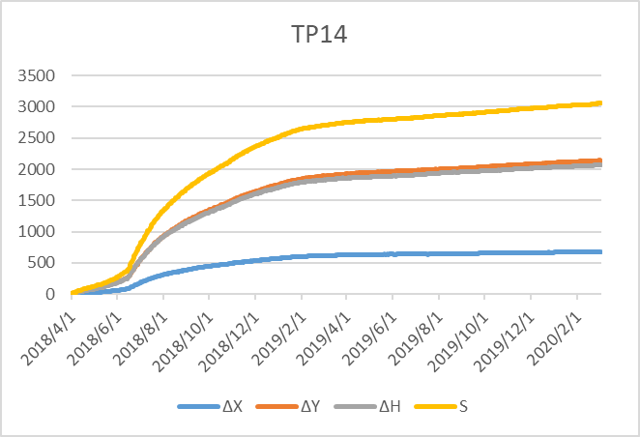
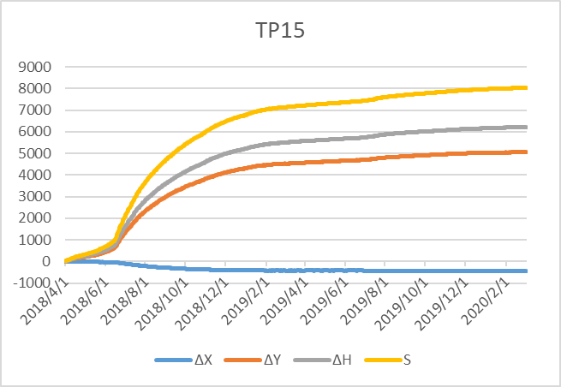
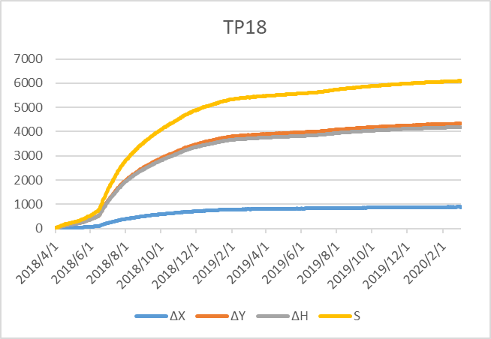
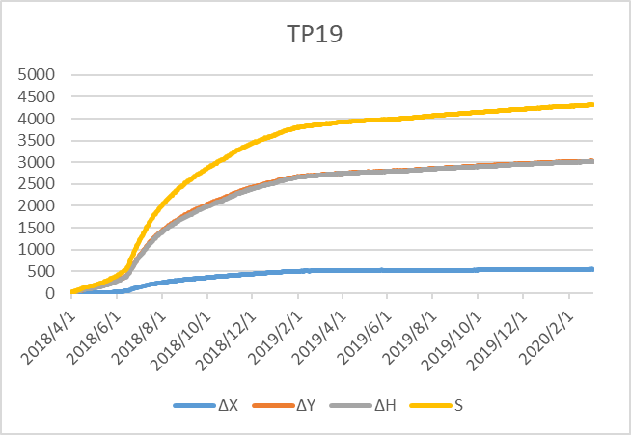
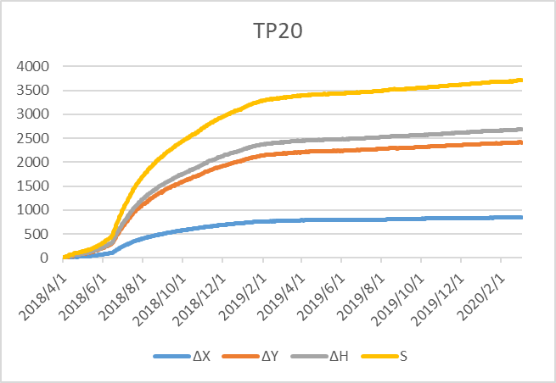
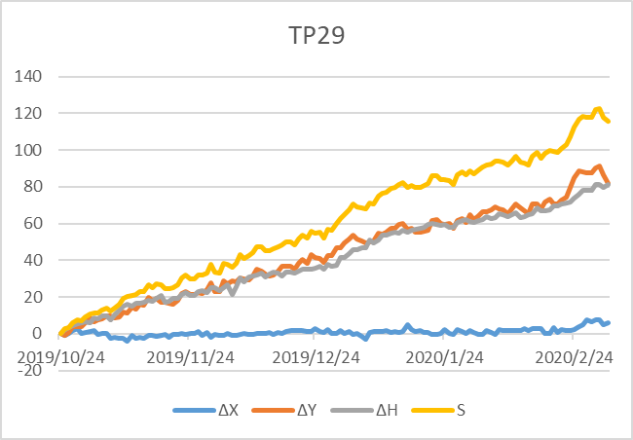
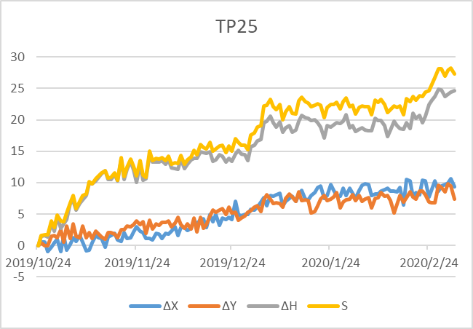
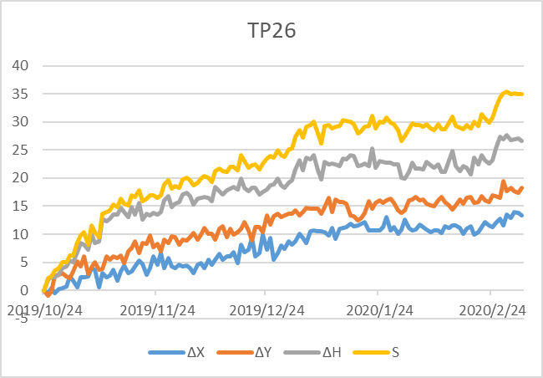
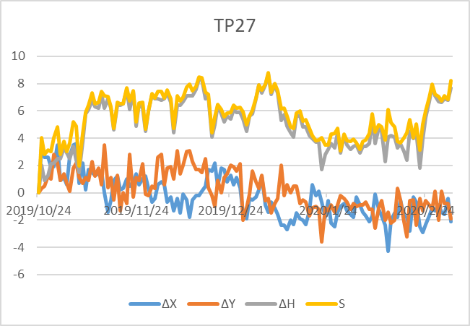
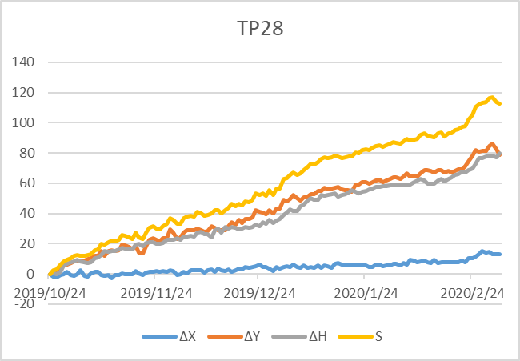
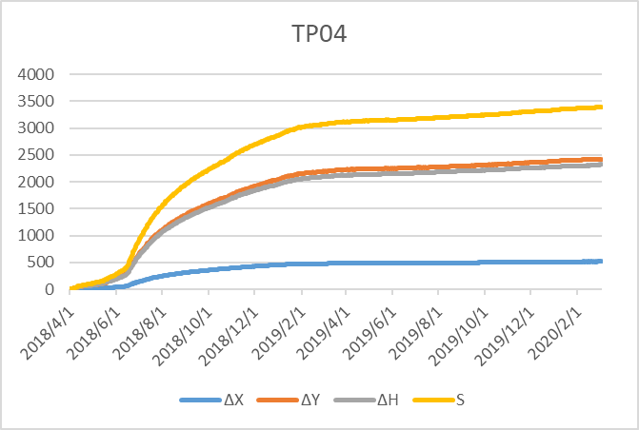
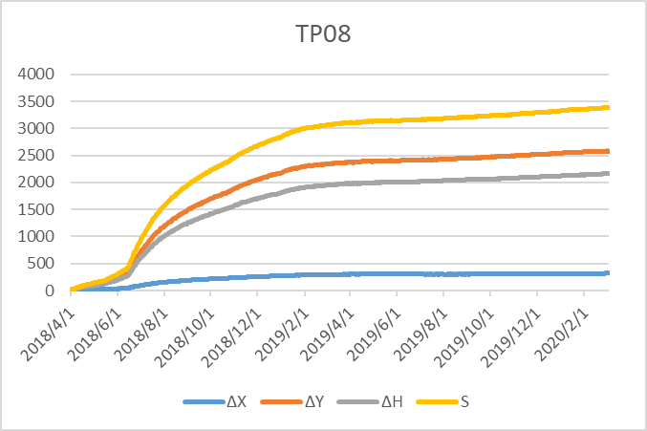
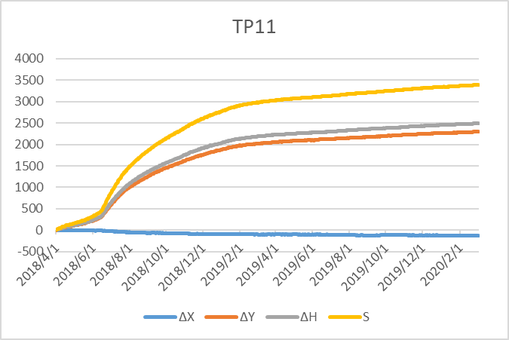
TP13

